Sheet1
模拟数据（2-300次重复）

similarity_cutoff = 0.8，length_difference_cutoff = 0.8
krf (fault_base=50，-aS 0.95 -c 0.95) |  | krf (fault_base=0，-aS 0.95 -c 0.95)
true repeats: 765, total find repeats: 2857, precision: 0.267763 |  | true repeats: 749, total find repeats: 3231, precision: 0.231817
recall: 0.457143 |  | recall: 0.430952
f1_score: 0.337716 |  | f1_score: 0.301468

CRD.2022-05-27.21-14-20 |  | CRD.2022-05-27.22-4-37

模拟数据（2-300次重复）
 |  | KmerRepFinder |  |  | RepeatScout |  |  | RepeatModeler2(官方提供) | RepeatModeler2(自己跑的) | RepeatModeler2 (-srand)
自定义precision、recall、f1-score（0.8, 0.8） |  |  |  |  | true repeats: 443, total find repeats: 1108, precision: 0.399819 recall: 0.578571 f1_score: 0.472866 |  |  |  | true repeats: 230, total find repeats: 342, precision: 0.672515 recall: 0.445238 f1_score: 0.535770
RepeatModeler2中的get_family_summary_paper.sh测试 |  |  |  |  | perfect 1:1 match: 320 perfect.families number of good families: 73 good.families total present families: 409 present.all.families |  |  |  | perfect 1:1 match: 123 perfect.families number of good families: 33 good.families total present families: 194 present.all.families

RepeatScout测试指标：
 |  | Masked by KmerRepFinder (MB) |  |  | Not Masked by KmerRepFinder (MB) |  | Total (MB)
Masked by RepeatScout
Not Masked by RepeatScout

Masked by RepeatModeler2
Not Masked by RepeatModeler2

Total

 |  | KmerRepFinder |  |  | RepeatScout |  |  | RepeatModeler2(官方提供) | RepeatModeler2(没有LTR) | RepeatModeler2 (-srand)

真实数据dmel（与RepBase库比较） | 基因组：GCF_000001215.4_Release_6_plus_ISO1_MT_genomic.fna
自定义precision、recall、f1-score（0.8, 0.8） |  |  |  |  | true repeats: 88, total find repeats: 2661, precision: 0.033070 recall: 0.259375 f1_score: 0.058661 |  |  | true repeats: 116, total find repeats: 734, precision: 0.158038 recall: 0.312500 f1_score: 0.209917 | true repeats: 50, total find repeats: 728, precision: 0.068681 recall: 0.128125 f1_score: 0.089426
RepeatModeler2中的get_family_summary_paper.sh测试 |  |  |  |  | perfect 1:1 match: 22 perfect.families number of good families: 119 good.families total present families: 188 present.all.families |  |  | perfect 1:1 match: 62 perfect.families number of good families: 42 good.families total present families: 141 present.all.families | perfect 1:1 match: 20 perfect.families number of good families: 53 good.families total present families: 117 present.all.families

 |  | KmerRepFinder |  |  | RepeatScout | EDTA(Total pipeline包括evaluation运行时间：3h54min) |  | RepeatModeler2(官方提供) | RepeatModeler2(没有LTR) | RepeatModeler2 (-srand)
获取RepBase数据
/public/home/hpc194701009/repeat_detect_tools/RepeatMasker-4.1.2/RepBase26.05.fasta
/public/home/hpc194701009/KmerRepFinder_test/library/curated_lib/repbase
真实数据dmel（与RepBase库比较） | 基因组：dmel-all-chromosome-r5.43.fasta
自定义precision、recall、f1-score（0.8, 0.8） |  |  |  |  | true repeats: 85, total find repeats: 3673, precision: 0.023142 recall: 0.193750 f1_score: 0.041345 | true repeats: 63, total find repeats: 567, precision: 0.111111 recall: 0.187500 f1_score: 0.139535 |  | true repeats: 116, total find repeats: 734, precision: 0.158038 recall: 0.312500 f1_score: 0.209917 | true repeats: 62, total find repeats: 1019, precision: 0.060844 recall: 0.131250 f1_score: 0.083144 | true repeats: 127, total find repeats: 1015, precision: 0.125123 recall: 0.321875 f1_score: 0.180198
RepeatModeler2中的get_family_summary_paper.sh测试 |  | perfect 1:1 match: 112 perfect.families number of good families: 25 good.families total present families: 164 present.all.families |  |  | perfect 1:1 match: 21 perfect.families number of good families: 106 good.families total present families: 176 present.all.families | perfect 1:1 match: 43 perfect.families number of good families: 23 good.families total present families: 85 present.all.families |  | perfect 1:1 match: 62 perfect.families number of good families: 42 good.families total present families: 141 present.all.families | perfect 1:1 match: 18 perfect.families number of good families: 61 good.families total present families: 128 present.all.families | perfect 1:1 match: 66 perfect.families number of good families: 36 good.families total present families: 141 present.all.families | present=total_present-perfect-good

EDTA测试：
 |  | Sensitivity: 0.921330239426125 Specificity: 0.979163828205243 Accuracy: 0.9640302503013 Precision: 0.940017454693611 FDR: 0.0599825453063889 F1 measure: 0.930580040831307 |  |  | Sensitivity: 0.982446763413708 Specificity: 0.949318965920273 Accuracy: 0.957738953455738 Precision: 0.868525423490665 FDR: 0.131474576509335 F1 measure: 0.921980348800354 | Sensitivity: 0.732207913331396 Specificity: 0.972096833992179 Accuracy: 0.904574272217128 Precision: 0.911344582814109 FDR: 0.088655417185891 F1 measure: 0.812013874668612 |  |  |  | Sensitivity: 0.961361842557337 Specificity: 0.961322777737249 Accuracy: 0.961332799619947 Precision: 0.895584238346425 FDR: 0.104415761653575 F1 measure: 0.927308038069685

真实数据Caenorhabditis briggsae（与RepBase库比较） |  | KmerRepFinder(39min20s) |  |  | RepeatScout | EDTA(Total pipeline包括evaluation运行时间：) |  | RepeatModeler2(官方提供) | RepeatModeler2(自己跑的)4h13min26s

RepeatModeler2中的get_family_summary_paper.sh测试 |  | perfect 1:1 match: 104 perfect.families number of good families: 6 good.families total present families: 164 present.all.families |  |  | perfect 1:1 match: 58 perfect.families number of good families: 25 good.families total present families: 142 present.all.families | perfect 1:1 match: 8 perfect.families number of good families: 27 good.families total present families: 84 present.all.families |  |  | perfect 1:1 match: 34 perfect.families number of good families: 17 good.families total present families: 115 present.all.families

EDTA测试： |  | Sensitivity: 0.904705890984631 Specificity: 0.961597040077527 Accuracy: 0.950864742584148 Precision: 0.845618862830346 FDR: 0.154381137169654 F1 measure: 0.874165054299642 |  |  | Sensitivity: 0.96155534058226 Specificity: 0.887460393582339 Accuracy: 0.901091872318245 Precision: 0.658268886942357 FDR: 0.341731113057643 F1 measure: 0.78151931922372 | Sensitivity: 0.86556009231144 Specificity: 0.868985470565074 Accuracy: 0.868326467555438 Precision: 0.611471901127637 FDR: 0.388528098872363 F1 measure: 0.716661084576188 |  |  | Sensitivity: 0.951910550357746 Specificity: 0.88764221733147 Accuracy: 0.899517149007125 Precision: 0.657558241231963 FDR: 0.342441758768037 F1 measure: 0.777817663286453

 |  | KmerRepFinder |  |  | RepeatScout |  |  | RepeatModeler2(官方提供) | RepeatModeler2(自己跑的)

真实数据dmel（与RepeatMasker库比较）
自定义precision、recall、f1-score（0.8, 0.8） |  |  |  |  | true repeats: 30, total find repeats: 3673, precision: 0.008168 recall: 0.085938 f1_score: 0.014918 |  |  | true repeats: 109, total find repeats: 734, precision: 0.148501 recall: 0.351562 f1_score: 0.208803
RepeatModeler2中的get_family_summary_paper.sh测试 |  |  |  |  | perfect 1:1 match: 32 perfect.families number of good families: 91 good.families total present families: 177 present.all.families |  |  | perfect 1:1 match: 61 perfect.families number of good families: 30 good.families total present families: 132 present.all.families

 |  | KmerRepFinder |  |  | RepeatScout | EDTA(Total pipeline包括evaluation运行时间：26h03min) |  | RepeatModeler2(官方提供) | RepeatModeler2(自己跑的)
 |  |  |  |  | √
真实数据oryza sativa（与RepBase库比较） | 基因组：GCF_001433935.1_IRGSP-1.0_genomic.fna
自定义precision、recall、f1-score（0.8, 0.8） |  |  |  |  | true repeats: 552, total find repeats: 12516, precision: 0.044104 recall: 0.146239 f1_score: 0.067769 | true repeats: 936, total find repeats: 7143, precision: 0.131037 recall: 0.279507 f1_score: 0.178426 |  | true repeats: 738, total find repeats: 2648, precision: 0.278701 recall: 0.234760 f1_score: 0.254850
RepeatModeler2中的get_family_summary_paper.sh测试 |  | perfect 1:1 match: 504 perfect.families number of good families: 67 good.families total present families: 998 present.all.families |  |  | perfect 1:1 match: 173 perfect.families number of good families: 149 good.families total present families: 697 present.all.families | perfect 1:1 match: 464 perfect.families number of good families: 225 good.families total present families: 1398 present.all.families |  | perfect 1:1 match: 385 perfect.families number of good families: 94 good.families total present families: 873 present.all.families

EDTA测试： |  | Sensitivity: 0.873590820463291 Specificity: 0.979418895541758 Accuracy: 0.926825588682548 Precision: 0.97670886599269 FDR: 0.0232911340073102 F1 measure: 0.922276435370972 |  |  | Sensitivity: 0.893986381234421 Specificity: 0.951444427330675 Accuracy: 0.922983941625577 Precision: 0.947563275842663 FDR: 0.0524367241573368 F1 measure: 0.919995462197583 | Sensitivity: 0.913096793599345 Specificity: 0.883094108676968 Accuracy: 0.897909266892801 Precision: 0.883977657680675 FDR: 0.116022342319325 F1 measure: 0.898301307735762 |  | Sensitivity: 0.899334828565732 Specificity: 0.933599194380899 Accuracy: 0.916640507764116 Precision: 0.929935024445468 FDR: 0.0700649755545319 F1 measure: 0.914378985047226

 |  | KmerRepFinder |  |  | RepeatScout | EDTA |  | RepeatModeler2(官方提供) | RepeatModeler2(自己跑的)
 |  |  |  |  | ×
真实数据Drerio（与RepBase库比较） | 基因组：GCF_000002035.6_GRCz11_genomic.fna
自定义precision、recall、f1-score（0.8, 0.8） |  |  |  | longest_repeats.confident.cons.fa（8.5M） |  |  |  | true repeats: 825, total find repeats: 3851, precision: 0.214230 recall: 0.325581 f1_score: 0.258421
RepeatModeler2中的get_family_summary_paper.sh测试 |  | perfect 1:1 match: 898 perfect.families number of good families: 169 good.families total present families: 1591 present.all.families | perfect 1:1 match: 763 perfect.families number of good families: 270 good.families total present families: 1586 present.all.families | perfect 1:1 match: 642 perfect.families number of good families: 151 good.families total present families: 1136 present.all.families |  | perfect 1:1 match: 453 perfect.families number of good families: 252 good.families total present families: 1364 present.all.families |  | perfect 1:1 match: 480 perfect.families number of good families: 159 good.families total present families: 933 present.all.families

EDTA测试： |  |  |  | Sensitivity: 0.858958134641466 Specificity: 0.940071305542573 Accuracy: 0.891973472392819 Precision: 0.954297813163522 FDR: 0.0457021868364775 F1 measure: 0.904121528435793 |  | Sensitivity: 0.913436598015767 Specificity: 0.895502853324311 Accuracy: 0.906110541620478 Precision: 0.926776490482327 FDR: 0.0732235095176732 F1 measure: 0.920058193128155 |  | Sensitivity: 0.929710827111469 Specificity: 0.917968000247772 Accuracy: 0.924890238378568 Precision: 0.942111629976818 FDR: 0.0578883700231817 F1 measure: 0.935870150953926

 |  |  |  | longest_repeats.confident.cons.fa（7.2M）
 |  |  |  | perfect 1:1 match: 572 perfect.families number of good families: 197 good.families total present families: 1079 present.all.families

 |  |  |  | Sensitivity: 0.844901389339694 Specificity: 0.949416442409718 Accuracy: 0.887349646997951 Precision: 0.96066528661107 FDR: 0.0393347133889302 F1 measure: 0.899072237164219

KRF调试(main_0609.py) |  | 自定义precision、recall、f1-score（0.8, 0.8） |  |  | RepeatModeler2中的get_family_summary_paper.sh测试

k=31,kmer_freq=2,fault_tolerant_bases=200,skip_threshold=200,filter_base_freq>3 |  | true repeats: 9, total find repeats: 3608, precision: 0.002494 recall: 0.018750 f1_score: 0.004403

k=31,kmer_freq=2,fault_tolerant_bases=200,skip_threshold=500,filter_base_freq>3 |  | true repeats: 9, total find repeats: 3698, precision: 0.002434 recall: 0.018750 f1_score: 0.004308

k=31,kmer_freq=2,fault_tolerant_bases=200,skip_threshold=500,filter_base_freq>1 |  | true repeats: 106, total find repeats: 15776, precision: 0.006719 recall: 0.140625 f1_score: 0.012825

k=31,kmer_freq=2,fault_tolerant_bases=200,skip_threshold=200,filter_base_freq>1 |  | true repeats: 105, total find repeats: 14821, precision: 0.007085 recall: 0.140625 f1_score: 0.013489

k=31,kmer_freq=2,fault_tolerant_bases=0,skip_threshold=200,filter_base_freq>1 |  | true repeats: 105, total find repeats: 14821, precision: 0.007085 recall: 0.140625 f1_score: 0.013489

k=31,kmer_freq=5,fault_tolerant_bases=0,skip_threshold=200,filter_base_freq>1 |  | true repeats: 154, total find repeats: 18118, precision: 0.008500 recall: 0.203125 f1_score: 0.016317

k=31,kmer_freq=10,fault_tolerant_bases=0,skip_threshold=200,filter_base_freq>1 |  | true repeats: 108, total find repeats: 17289, precision: 0.006247 recall: 0.134375 f1_score: 0.011939

k=21,kmer_freq=10,fault_tolerant_bases=0,skip_threshold=200,filter_base_freq>1 |  | true repeats: 111, total find repeats: 17947, precision: 0.006185 recall: 0.140625 f1_score: 0.011849

k=21,kmer_freq=10,fault_tolerant_bases=0,skip_threshold=500,filter_base_freq>1 |  | true repeats: 111, total find repeats: 17947, precision: 0.006185 recall: 0.140625 f1_score: 0.011849

k=21,kmer_freq=20,fault_tolerant_bases=0,skip_threshold=500,filter_base_freq>1

k=31,kmer_freq=10,fault_tolerant_bases=0,skip_threshold=200,filter_base_freq>1,filter_segmetal_copies>=10 |  | true repeats: 60, total find repeats: 5942, precision: 0.010098 recall: 0.106250 f1_score: 0.018443

krf （main_0610.py）
fault_tolerant_bases=500，max_single_repeat_len=20K，extend_base_threshold=500 |  | true repeats: 573, total find repeats: 5268, precision: 0.108770 recall: 0.425000 f1_score: 0.173210

fault_tolerant_bases=500，max_single_repeat_len=20K, extend_base_threshold=500，过滤掉没有2条以上最长路径的（假阳） |  | true repeats: 437, total find repeats: 2788, precision: 0.156743 recall: 0.331250 f1_score: 0.212795

fault_tolerant_bases=200，max_single_repeat_len=20K, extend_base_threshold=200，过滤掉没有2条以上最长路径的（假阳） |  | true repeats: 490, total find repeats: 4339, precision: 0.112929 recall: 0.381250 f1_score: 0.174246

fault_tolerant_bases=200，max_single_repeat_len=20K, extend_base_threshold=200 |  | true repeats: 581, total find repeats: 6729, precision: 0.086343 recall: 0.443750 f1_score: 0.144558

fault_tolerant_bases=200，max_single_repeat_len=20K, extend_base_threshold=200，两层比对扩展 |  | true repeats: 582, total find repeats: 6735, precision: 0.086414 recall: 0.443750 f1_score: 0.144658

fault_tolerant_bases=100，max_single_repeat_len=20K, extend_base_threshold=100 |  | true repeats: 1600, total find repeats: 19128, precision: 0.083647 recall: 0.446875 f1_score: 0.140917

max_single_repeat_len=20K,filter tandem |  | true repeats: 530, total find repeats: 4965, precision: 0.106747 recall: 0.412500 f1_score: 0.169604

krf
cluster_size <= 1 |  | true repeats: 2350, total find repeats: 39533, precision: 0.059444 recall: 0.556250 f1_score: 0.107410

cluster_size <= 4 |  | true repeats: 2258, total find repeats: 34372, precision: 0.065693 recall: 0.531250 f1_score: 0.116927

cluster_size <= 10,extend_base_threshold = 100 |  | true repeats: 2161, total find repeats: 29367, precision: 0.073586 recall: 0.493750 f1_score: 0.128083

cluster_size <= 10,extend_base_threshold = 100,filter_tandem,tandem_region_cutoff = 0.8,cd-hit=0.95 |  | true repeats: 969, total find repeats: 26410, precision: 0.036691 recall: 0.484375 f1_score: 0.068214

cluster_size <= 10,extend_base_threshold = 100,filter_tandem,tandem_region_cutoff = 0.5,cd-hit=0.95 |  | true repeats: 943, total find repeats: 25884, precision: 0.036432 recall: 0.484375 f1_score: 0.067767

cluster_size <= 10,extend_base_threshold = 100,filter_tandem,tandem_region_cutoff = 0.5,cd-hit=0.8 |  | true repeats: 385, total find repeats: 13712, precision: 0.028078 recall: 0.478125 f1_score: 0.053040

cluster_size <= 10,extend_base_threshold = 200,filter_tandem,tandem_region_cutoff = 0.5,cd-hit=0.8 |  | true repeats: 442, total find repeats: 14371, precision: 0.030756 recall: 0.500000 f1_score: 0.057948

cluster_size <= 10,cluster_cd-hit+= aL 0.95,extend_base_threshold = 200,filter_tandem,tandem_region_cutoff = 0.5,cd-hit=0.8 |  | true repeats: 244, total find repeats: 8822, precision: 0.027658 recall: 0.256250 f1_score: 0.049927

cluster_size <= 1,cluster_cd-hit+= aL 0.95,extend_base_threshold = 200,filter_tandem,tandem_region_cutoff = 0.5,cd-hit=0.8 |  | true repeats: 566, total find repeats: 41009, precision: 0.013802 recall: 0.531250 f1_score: 0.026905

represent queries,extend_base_threshold = 200,filter_tandem,tandem_region_cutoff = 0.5,cd-hit=-aS 0.8 -aL 0.8,masked_count_ratio>=0.9 |  | true repeats: 445, total find repeats: 19865, precision: 0.022401 recall: 0.543750 f1_score: 0.043030

represent queries,extend_base_threshold = 200,filter_tandem,tandem_region_cutoff = 0.5,cd-hit=-aS 0.8,masked_count_ratio>=0.9

将get_candidate_repeats中的max_single_repeat_len移到get_longest_repeats中， represent queries,extend_base_threshold = 200,filter_tandem,tandem_region_cutoff = 0.5,cd-hit=-aS 0.8,masked_count_ratio>=0.9 |  | true repeats: 247, total find repeats: 7698, precision: 0.032086 recall: 0.337500 f1_score: 0.058601

将get_candidate_repeats中的max_single_repeat_len移到get_longest_repeats中， represent queries,extend_base_threshold = 200,filter_tandem,tandem_region_cutoff = 0.5,cd-hit=-aS 0.8 -aL 0.8,masked_count_ratio>=0.9 |  | true repeats: 445, total find repeats: 19818, precision: 0.022454 recall: 0.543750 f1_score: 0.043128

将get_candidate_repeats中的max_single_repeat_len移到get_longest_repeats中， represent queries,extend_base_threshold = 200,filter_tandem,tandem_region_cutoff = 0.5,cd-hit=-aS 0.8 -aL 0.8,masked_count_ratio>=0.9, 在每个query增加cd-hit聚类=0.9,cluster_size <= 5，去掉N |  | true repeats: 296, total find repeats: 10678, precision: 0.027721 recall: 0.362500 f1_score: 0.051503

将get_candidate_repeats中的max_single_repeat_len移到get_longest_repeats中， represent queries,extend_base_threshold = 200,filter_tandem,tandem_region_cutoff = 0.5,cd-hit=-aS 0.8 -aL 0.8,masked_count_ratio>=0.9, 在每个query增加cd-hit聚类=0.9,cluster_size <= 1，去掉N |  | true repeats: 427, total find repeats: 16472, precision: 0.025923 recall: 0.518750 f1_score: 0.049378

将get_candidate_repeats中的max_single_repeat_len移到get_longest_repeats中， represent queries,extend_base_threshold = 200,filter_tandem,tandem_region_cutoff = 0.5,cd-hit=-aS 0.8 -aL 0.8,masked_count_ratio>=0.9, 去掉N |  | true repeats: 446, total find repeats: 18940, precision: 0.023548 recall: 0.543750 f1_score: 0.045141

将get_candidate_repeats中的max_single_repeat_len移到get_longest_repeats中， represent queries,extend_base_threshold = 100,filter_tandem,tandem_region_cutoff = 0.5,cd-hit=-aS 0.8 -aL 0.8,masked_count_ratio>=0.9, 去掉N |  | true repeats: 399, total find repeats: 19218, precision: 0.020762 recall: 0.515625 f1_score: 0.039916

比对到ref上，保留记录数>=20的query |  | true repeats: 380, total find repeats: 15445, precision: 0.024603 recall: 0.471875 f1_score: 0.046768
比对到ref上，保留记录数>=40的query |  | true repeats: 368, total find repeats: 13338, precision: 0.027590 recall: 0.446875 f1_score: 0.051972
比对到ref上，保留记录数>=80的query |  | true repeats: 328, total find repeats: 10426, precision: 0.031460 recall: 0.381250 f1_score: 0.058123

cdhit -aS 0.5 -c 0.8 |  | true repeats: 107, total find repeats: 3159, precision: 0.033871 recall: 0.271875 f1_score: 0.060238
cdhit -aS 0.9 -c 0.8 |  | true repeats: 243, total find repeats: 8121, precision: 0.029922 recall: 0.337500 f1_score: 0.054971
cdhit -aS 0.9 -c 0.9 |  | true repeats: 264, total find repeats: 10169, precision: 0.025961 recall: 0.365625 f1_score: 0.048480
cdhit -aS 0.5 -c 0.9

过滤假阳性：去掉identity>98%, 1-full 数量>8的序列(segmental duplication)；去掉length<2000, full_len_query_num(copy)<10 |  | true repeats: 424, total find repeats: 6029, precision: 0.070327 recall: 0.409375 f1_score: 0.120033
过滤假阳性：去掉identity>98%, 1-full 数量>8的序列(segmental duplication)；去掉length<2000, full_len_query_num(copy)<15 |  | true repeats: 411, total find repeats: 5010, precision: 0.082036 recall: 0.396875 f1_score: 0.135967
过滤假阳性：去掉identity>98%, 1-full 数量>8的序列(segmental duplication)；去掉length<2000, full_len_query_num(copy)<20 |  | true repeats: 403, total find repeats: 4237, precision: 0.095114 recall: 0.387500 f1_score: 0.152738
过滤假阳性：去掉identity>98%, 1-full 数量>8的序列(segmental duplication)；去掉length<1000, full_len_query_num(copy)<20 |  | true repeats: 433, total find repeats: 5762, precision: 0.075148 recall: 0.403125 f1_score: 0.126680 | √
过滤假阳性：去掉identity>98%, 1-full 数量>8的序列(segmental duplication)；去掉length<1000, full_len_query_num(copy)<10 |  | true repeats: 448, total find repeats: 7355, precision: 0.060911 recall: 0.418750 f1_score: 0.106352
过滤假阳性：去掉1-full 数量>8的序列(segmental duplication)；去掉length<1000, full_len_query_num(copy)<10 |  | true repeats: 389, total find repeats: 4179, precision: 0.093084 recall: 0.346875 f1_score: 0.146780
过滤假阳性：去掉identity>95%, 1-full 数量>8的序列(segmental duplication)；去掉length<1000, full_len_query_num(copy)<10 |  | true repeats: 434, total find repeats: 6159, precision: 0.070466 recall: 0.400000 f1_score: 0.119823
过滤假阳性：去掉identity>95%, 1-full 数量>4的序列(segmental duplication)；去掉length<1000, full_len_query_num(copy)<10 |  | true repeats: 407, total find repeats: 5473, precision: 0.074365 recall: 0.365625 f1_score: 0.123592
过滤假阳性：去掉identity>95%, 1-full 数量>10的序列(segmental duplication)； 去掉length<1000, full_len_query_num(copy)<10;length_ratio >= 0.9 |  | true repeats: 445, total find repeats: 6353, precision: 0.070046 recall: 0.415625 f1_score: 0.119887
过滤假阳性：去掉identity>95%, 1-full 数量>10的序列(segmental duplication)； 去掉length<1000, full_len_query_num(copy)<10；length_ratio >= 0.95 |  | true repeats: 433, total find repeats: 5833, precision: 0.074233 recall: 0.393750 f1_score: 0.124916
过滤假阳性：去掉identity>95%, 1-full 数量>10的序列(segmental duplication)； 去掉length<2000, full_len_query_num(copy)<10；length_ratio >= 0.9;extend_base_threshold = 0.1 * query_len |  | true repeats: 409, total find repeats: 4431, precision: 0.092304 recall: 0.400000 f1_score: 0.149995

1.filter_derived sequences 2.filter segmental duplication 3.consensus and filter tandem |  | max:true repeats: 191, total find repeats: 5133, precision: 0.037210 recall: 0.334375 f1_score: 0.066968
1.filter segmental duplication 2.filter_derived sequences 3.consensus and filter tandem |  | step1: true repeats: 1447, total find repeats: 11502, precision: 0.125804 recall: 0.431250 f1_score: 0.194786 step2: true repeats: 202, total find repeats: 1815, precision: 0.111295 recall: 0.334375 f1_score: 0.167003 step3: true repeats: 132, total find repeats: 1058, precision: 0.124764 recall: 0.281250 f1_score: 0.172850
1.consensus and filter tandem 2.filter segmental duplication 3.filter_derived sequences |  | step1: true repeats: 476, total find repeats: 18680, precision: 0.025482 recall: 0.550000 f1_score: 0.048707 step2: true repeats: 438, total find repeats: 14178, precision: 0.030893 recall: 0.531250 f1_score: 0.058390 step3: true repeats: 200, total find repeats: 4829, precision: 0.041416 recall: 0.418750 f1_score: 0.075378 |  |  | N_7703-len_377:full_len_records: 1 full_len_query_num: 5 N_11985-len_165: full_len_records: 1 full_len_query_num: 4
1.consensus and filter tandem 2.filter_derived sequences 3.filter segmental duplication |  | step2: true repeats: 281, total find repeats: 10557, precision: 0.026617 recall: 0.443750 f1_score: 0.050222 |  |  | k=15获得了和K=31一样的结果，说明K值影响不大

 |  | KmerRepFinder
获取RepBase数据
/public/home/hpc194701009/repeat_detect_tools/RepeatMasker-4.1.2/RepBase26.05.fasta |  |  |  |  | present=total_present-perfect-good
/public/home/hpc194701009/KmerRepFinder_test/library/curated_lib/repbase
真实数据dmel（与RepBase库比较） | 基因组：dmel-all-chromosome-r5.43.fasta | longest_repeats.filter_derived.fa | longest_repeats.filter_tandem.fa |  | longest_repeats.filter_tandem.fa+LTR_retriever (TE.merge.fa) | longest_repeats.filter_duplication.fa+LTR_retriever (TE.merge.fa) |  | longest_repeats.filter_derived.fa+LTR_retriever (TE.merge.fa) | longest_repeats.filter_derived.fa+LTR_retriever (TE.merge.fa) |  | TE.complete.fa | TE.complete.fa+LTR_retriever | LTR_retriever |  | longest_repeats.filter_derived_v1.fa | TE.domain.fa | TE.domain_ltr.fa | TE.domain.fa(>=0.8) | TE.merge.fa
自定义precision、recall、f1-score（0.8, 0.8）
RepeatModeler2中的get_family_summary_paper.sh测试 |  | perfect 1:1 match: 36 perfect.families number of good families: 141 good.families total present families: 224 present.all.families | perfect 1:1 match: 54 perfect.families number of good families: 149 good.families total present families: 243 present.all.families |  | perfect 1:1 match: 97 perfect.families number of good families: 107 good.families total present families: 243 present.all.families | perfect 1:1 match: 97 perfect.families number of good families: 89 good.families total present families: 228 present.all.families |  | perfect 1:1 match: 88 perfect.families number of good families: 92 good.families total present families: 226 present.all.families | perfect 1:1 match: 92 perfect.families number of good families: 93 good.families total present families: 228 present.all.families Runtime: 0.00666667 hours (24s) |  | perfect 1:1 match: 8 perfect.families number of good families: 88 good.families present: 10 total present families: 106 present.all.families | perfect 1:1 match: 63 perfect.families number of good families: 43 good.families present: 13 total present families: 119 present.all.families | perfect 1:1 match: 55 perfect.families number of good families: 17 good.families present: 8 total present families: 80 present.all.families | perfect 1:1 match: 89 perfect.families number of good families: 90 good.families total present families: 215 present.all.families | perfect 1:1 match: 34 perfect.families number of good families: 143 good.families total present families: 221 present.all.families | perfect 1:1 match: 39 perfect.families number of good families: 123 good.families total present families: 194 present.all.families | perfect 1:1 match: 38 perfect.families number of good families: 125 good.families total present families: 198 present.all.families | perfect 1:1 match: 34 perfect.families number of good families: 101 good.families total present families: 152 present.all.families | perfect 1:1 match: 74 perfect.families number of good families: 69 good.families total present families: 161 present.all.families

EDTA测试：
 |  | Sensitivity: 0.987261171885579 Specificity: 0.93098300073368 Accuracy: 0.945195058170599 Precision: 0.828556317452347 FDR: 0.171443682547653 F1 measure: 0.900973237392332 | Sensitivity: 0.99239703250292 Specificity: 0.917734342371197 Accuracy: 0.936544852014391 Precision: 0.802481522730561 FDR: 0.197518477269439 F1 measure: 0.887391828794387 |  | Sensitivity: 0.992442636630452 Specificity: 0.917695510873747 Accuracy: 0.936526943981685 Precision: 0.802410066442069 FDR: 0.197589933557931 F1 measure: 0.8873663678756 |  |  |  | Sensitivity: 0.988347780908849 Specificity: 0.930407437250178 Accuracy: 0.94503283198926 Precision: 0.82744669764949 FDR: 0.17255330235051 F1 measure: 0.900768360185267 |  | Sensitivity: 0.537170921167066 Specificity: 0.995875919600088 Accuracy: 0.85696712701267 Precision: 0.982632027836749 FDR: 0.0173679721632506 F1 measure: 0.694618143631466 | Sensitivity: 0.574633305487009 Specificity: 0.99310907175206 Accuracy: 0.868139518164624 Precision: 0.972607134512216 FDR: 0.0273928654877843 F1 measure: 0.722437752008708 | Sensitivity: 0.531442936522088 Specificity: 0.994924061683227 Accuracy: 0.853473403749167 Precision: 0.978718152331085 FDR: 0.0212818476689149 F1 measure: 0.688844193830072 |  | Sensitivity: 0.987249343909774 Specificity: 0.931337202191906 Accuracy: 0.945457368266796 Precision: 0.829291562888481 FDR: 0.170708437111519 F1 measure: 0.901402823693737 | Sensitivity: 0.975405658082505 Specificity: 0.972322761090407 Accuracy: 0.973109991716265 Precision: 0.923578087372163 FDR: 0.0764219126278368 F1 measure: 0.948784626787982 |  | Sensitivity: 0.911878875975586 Specificity: 0.980023856238185 Accuracy: 0.96214547017627 Precision: 0.941981307920543 FDR: 0.0580186920794571 F1 measure: 0.926685694766208 | Sensitivity: 0.914253058873344 Specificity: 0.979522374181314 Accuracy: 0.962414002333922 Precision: 0.940687676093422 FDR: 0.0593123239065783 F1 measure: 0.927282008638704

 |  | longest_repeats.confident.cons.fa | longest_repeats.confident.cons.fa+LTR_retriever |  | longest_repeats.confident.cons.fa version1 |  |  |  |  |  |  |  |  |  | longest_repeats.refine.fa | TE.domain.fa
重要注意：RepBase/LTR_retriever中的LTR序列是分段的，即结构部分和蛋白质编码序列是分开的。如某一条完整的LTR序列，包括两端的LTR和中间的编码序列，它是分开保存的，然后取非冗余序列。 但是DNA和其他转座子是完整的。 |  | perfect 1:1 match: 98 perfect.families number of good families: 62 good.families total present families: 192 present.all.families | perfect 1:1 match: 109 perfect.families number of good families: 55 good.families total present families: 195 present.all.families |  | perfect 1:1 match: 112 perfect.families number of good families: 25 good.families total present families: 164 present.all.families |  |  |  |  |  |  |  |  |  | perfect 1:1 match: 34 perfect.families number of good families: 143 good.families total present families: 221 present.all.families | perfect 1:1 match: 20 perfect.families number of good families: 139 good.families total present families: 190 present.all.families |  | perfect 1:1 match: 19 perfect.families number of good families: 113 good.families total present families: 148 present.all.families

 |  | Sensitivity: 0.952717358342321 Specificity: 0.962791908249306 Accuracy: 0.960199325204517 Precision: 0.898708024188688 FDR: 0.101291975811312 F1 measure: 0.924924917638967 |  |  | Sensitivity: 0.921330239426125 Specificity: 0.979163828205243 Accuracy: 0.9640302503013 Precision: 0.940017454693611 FDR: 0.0599825453063889 F1 measure: 0.930580040831307

 |  | perfect 1:1 match: 93 perfect.families number of good families: 46 good.families total present families: 160 present.all.families | perfect 1:1 match: 104 perfect.families number of good families: 41 good.families total present families: 167 present.all.families

 |  | Sensitivity: 0.917044787144372 Specificity: 0.97596033457456 Accuracy: 0.960530565163958 Precision: 0.931202919282053 FDR: 0.0687970807179472 F1 measure: 0.924069625442516 | Sensitivity: 0.918508759132727 Specificity: 0.975108470996353 Accuracy: 0.960293408329762 Precision: 0.928994090982206 FDR: 0.0710059090177938 F1 measure: 0.923721670791056

真实数据rice（与RepBase库比较） | 基因组：GCF_001433935.1_IRGSP-1.0_genomic.fna | longest_repeats.confident.cons.fa | longest_repeats.filter_derived.fa

RepeatModeler2中的get_family_summary_paper.sh测试 |  | perfect 1:1 match: 118 perfect.families number of good families: 76 good.families total present families: 300 present.all.families | perfect 1:1 match: 465 perfect.families number of good families: 401 good.families total present families: 1563 present.all.families

EDTA测试：

 |  | perfect 1:1 match: 178 perfect.families number of good families: 156 good.families total present families: 544 present.all.families

 |  | Sensitivity: 0.732373168048727 Specificity: 0.984915945575895 Accuracy: 0.856382970581511 Precision: 0.98051583784617 FDR: 0.0194841621538302 F1 measure: 0.838470546560813

 |  | perfect 1:1 match: 275 perfect.families number of good families: 94 good.families total present families: 649 present.all.families

 |  | perfect 1:1 match: 330 perfect.families number of good families: 118 good.families total present families: 796 present.all.families

 |  | perfect 1:1 match: 335 perfect.families number of good families: 142 good.families total present families: 841 present.all.families

 |  | perfect 1:1 match: 317 perfect.families number of good families: 106 good.families total present families: 732 present.all.families

 |  | perfect 1:1 match: 305 perfect.families number of good families: 104 good.families total present families: 707 present.all.families

 |  | 加上known TEs后，krf.confident_v1.out
 |  | perfect 1:1 match: 504 perfect.families number of good families: 67 good.families total present families: 998 present.all.families

 |  | Sensitivity: 0.873590820463291 Specificity: 0.979418895541758 Accuracy: 0.926825588682548 Precision: 0.97670886599269 FDR: 0.0232911340073102 F1 measure: 0.922276435370972

真实数据drerio（与RepBase库比较） | 基因组：GCF_000002035.6_GRCz11_genomic.fna | longest_repeats.confident.cons.fa | longest_repeats.filter_duplication.fa | longest_repeats.confident.cons.fa(44M) | longest_repeats.confident.cons.fa(30M)
KmerRepFinder参数调整：k_num由31调整至61，fault_tolerant_bases由100调整至200
RepeatModeler2中的get_family_summary_paper.sh测试 |  | perfect 1:1 match: 898 perfect.families number of good families: 169 good.families total present families: 1591 present.all.families | perfect 1:1 match: 334 perfect.families number of good families: 387 good.families total present families: 1153 present.all.families | perfect 1:1 match: 840 perfect.families number of good families: 148 good.families total present families: 1509 present.all.families | perfect 1:1 match: 886 perfect.families number of good families: 104 good.families total present families: 1475 present.all.families

EDTA测试：

Library覆盖基因组
果蝇 | RepBase | RepeatModeler2 | KRF | EDTA | RepeatScout

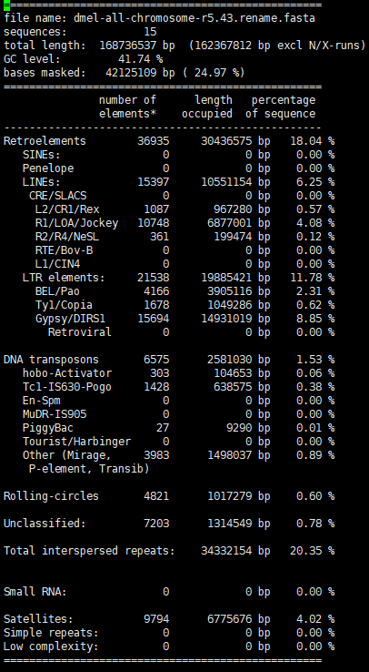
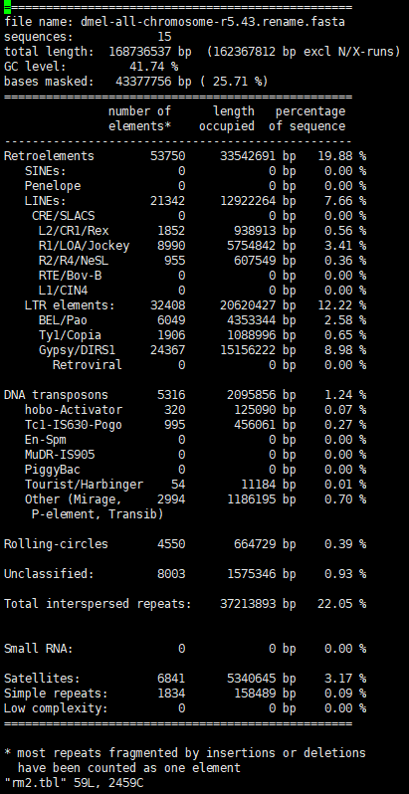
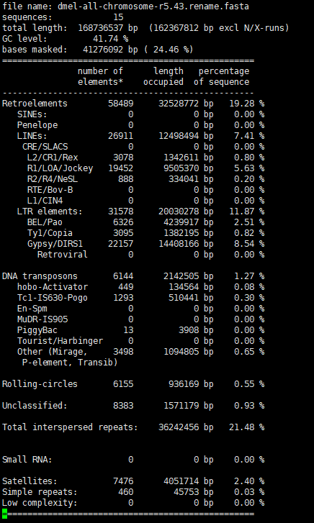
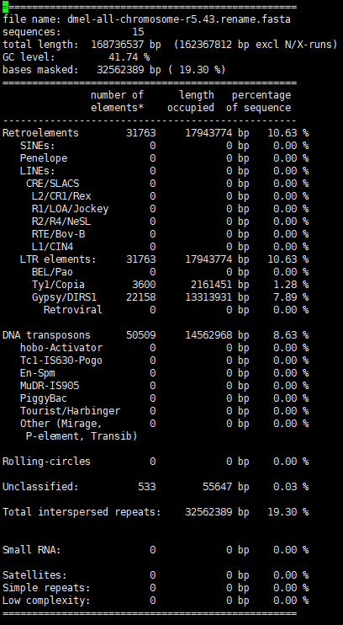
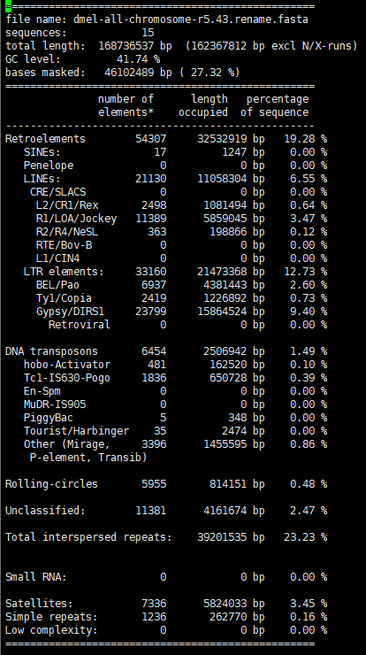

水稻 | RepBase | RepeatModeler2 | KRF | EDTA | RepeatScout

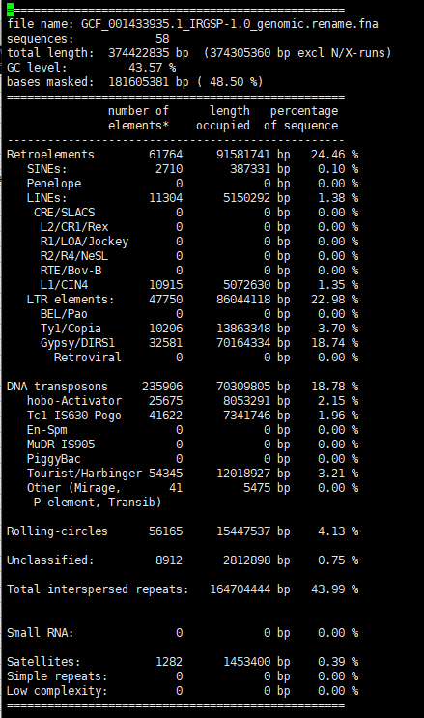
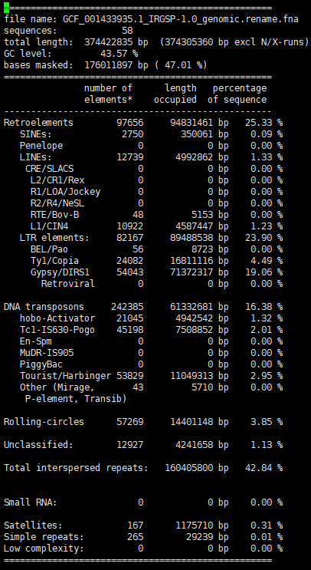
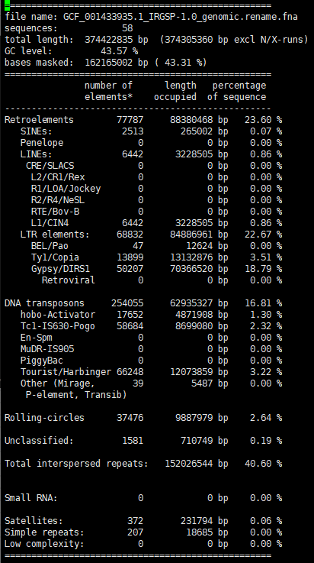
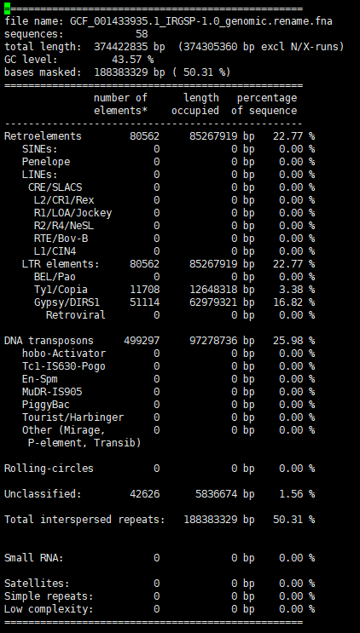
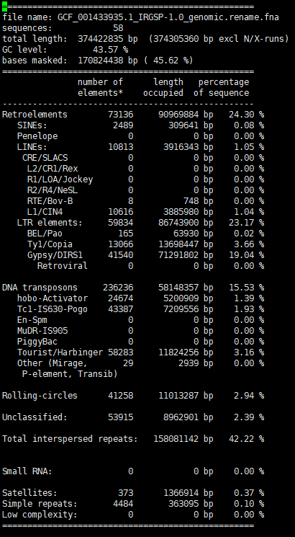

斑马鱼 | RepBase | RepeatModeler2 | KRF | EDTA | RepeatScout
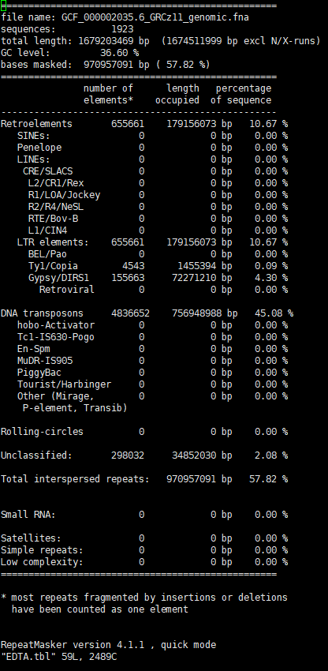
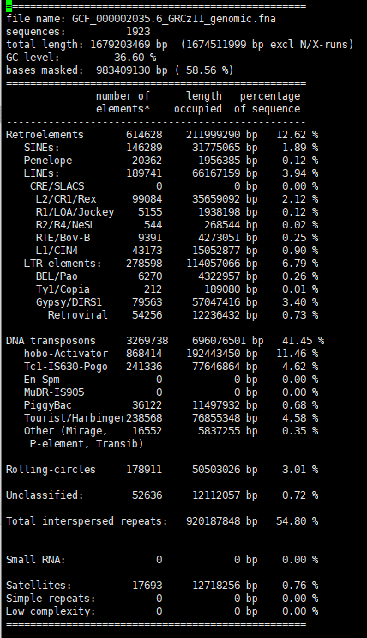
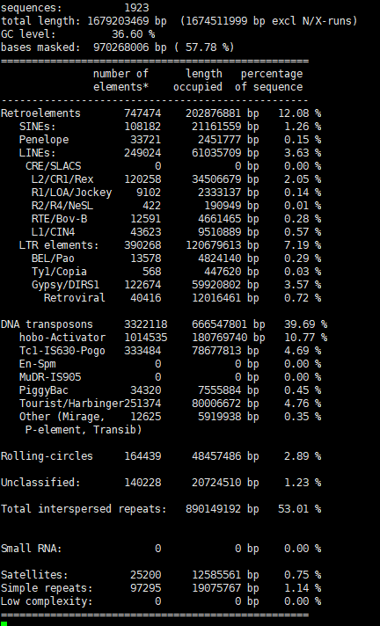
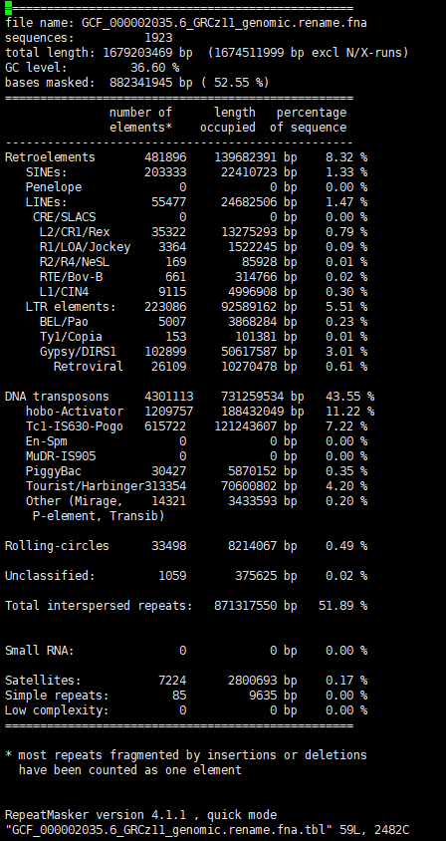

CB | RepBase | RepeatModeler2 | KRF | EDTA | RepeatScout
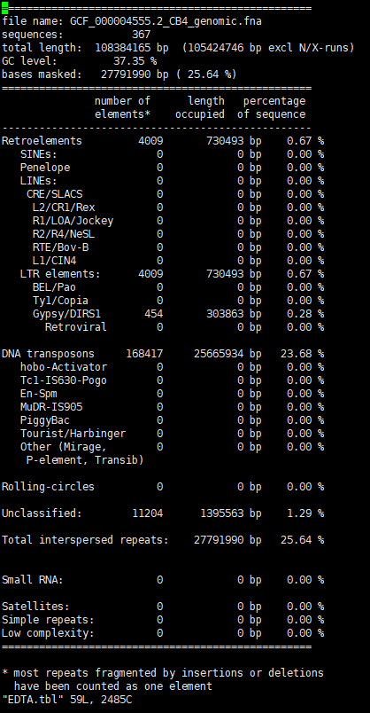
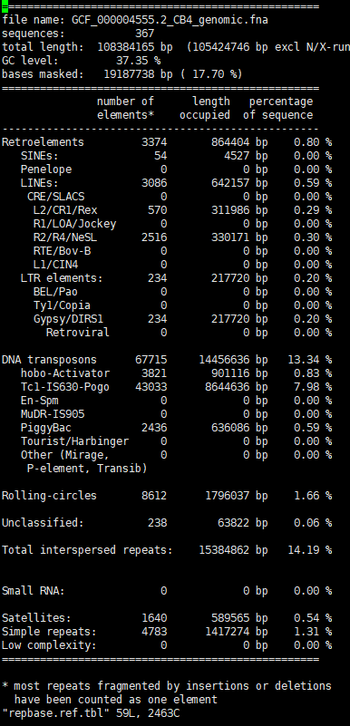
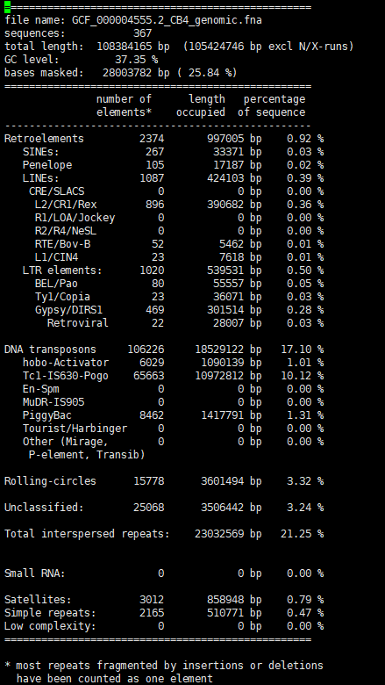
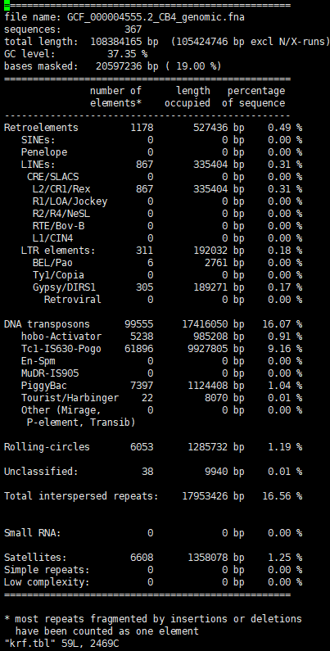
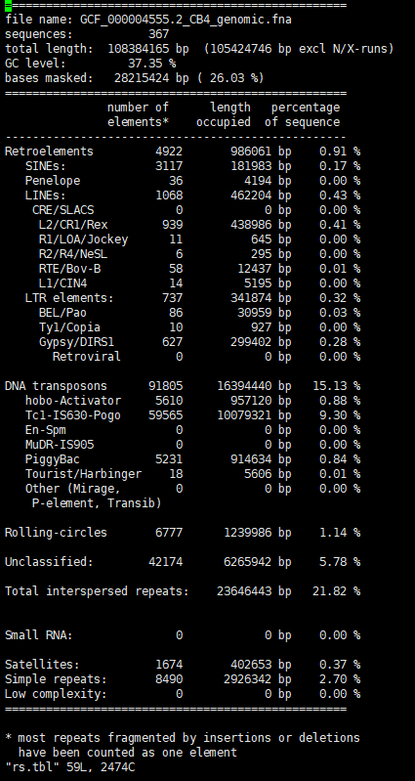

Oryza_rufipogon |  | Oryza sativa | Oryza_rufipogon | Oryza_glaberrima
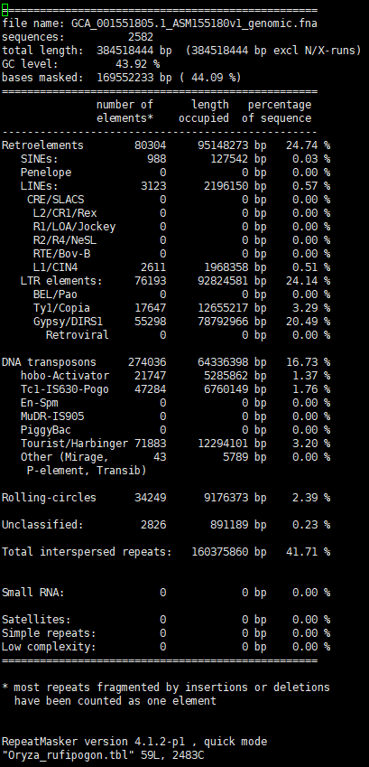

 |  | 1.62 | 1.7 | 1.25

Oryza_glaberrima |  |  | KRF

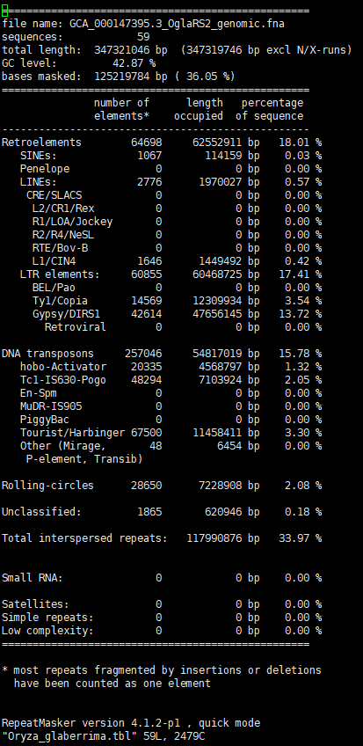

 | Vigna_angularis | Vigna_radiata | Vigna_unguiculata

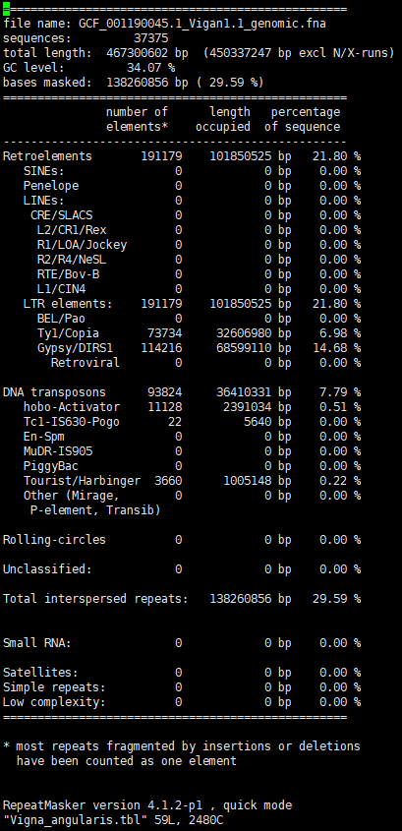
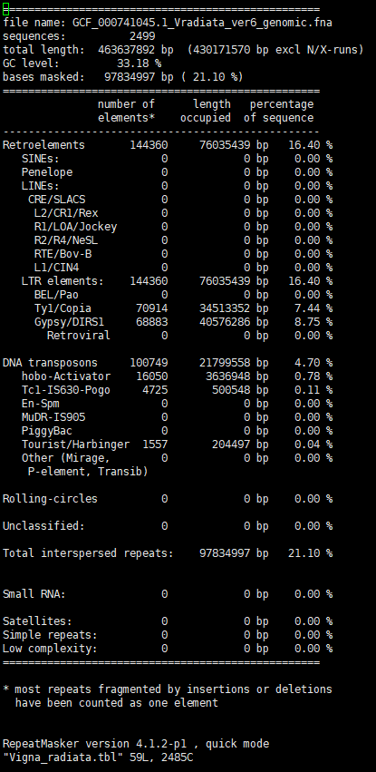
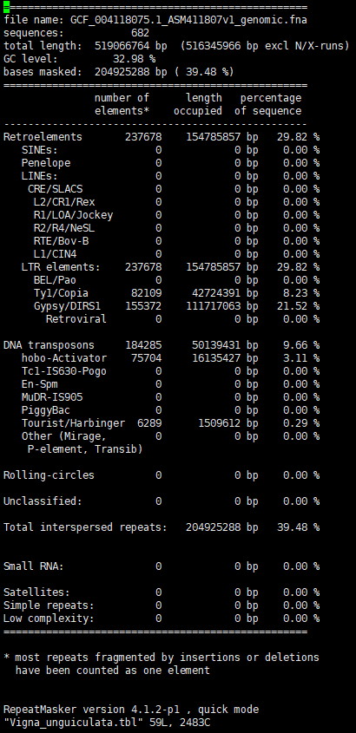

 |  |  | KRF

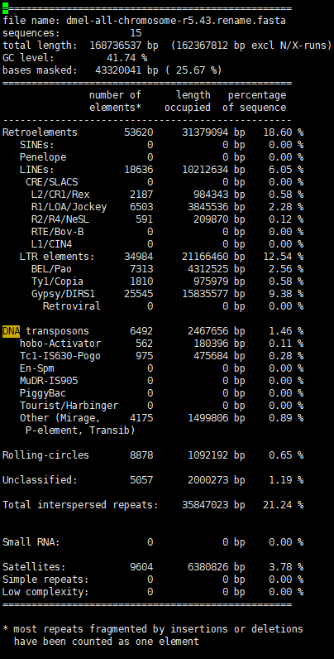
9/19测试
 | 不加known-TE;get_longest_repeats中的全长参数0.95 | 不加known-TE;get_longest_repeats中的全长参数0.8 | 不加known-TE，加上剩余序列；cd-hit:0.95; get_longest_repeats中的全长参数0.95
果蝇 | perfect 1:1 match: 65 perfect.families number of good families: 48 good.families total present families: 145 present.all.families | perfect 1:1 match: 56 perfect.families number of good families: 72 good.families total present families: 162 present.all.families | perfect 1:1 match: 87 perfect.families number of good families: 34 good.families total present families: 147 present.all.families
 |  |  | Sensitivity: 0.932947206738999 Specificity: 0.967214385798778 Accuracy: 0.958337264419423 Precision: 0.90866799030477 FDR: 0.0913320096952298 F1 measure: 0.920647554134869

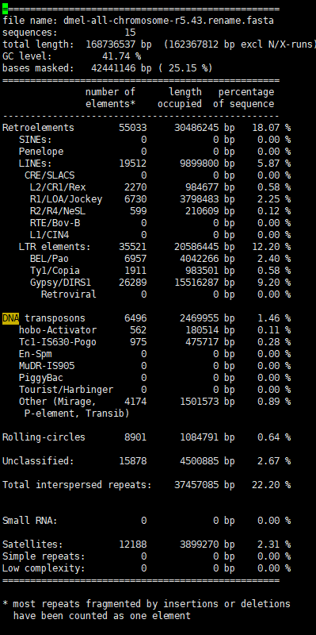
 | 加上known-TE，参数0.95; get_longest_repeats中的全长参数0.95 | 加上known-TE，参数0.95，加上剩余序列; get_longest_repeats中的全长参数0.95 | 加上known-TE，参数0.95，加上剩余序列； cd-hit:0.95; get_longest_repeats中的全长参数0.95 | 加上known-TE，参数0.95，不加上剩余序列； cd-hit:0.95; get_longest_repeats中的全长参数0.95
 | perfect 1:1 match: 82 perfect.families number of good families: 9 good.families total present families: 107 present.all.families | perfect 1:1 match: 76 perfect.families number of good families: 21 good.families total present families: 137 present.all.families | perfect 1:1 match: 93 perfect.families number of good families: 15 good.families total present families: 137 present.all.families | perfect 1:1 match: 87 perfect.families number of good families: 6 good.families total present families: 105 present.all.families
 | Sensitivity: 0.720548799532692 Specificity: 0.99696593574856 Accuracy: 0.91833454456835 Precision: 0.989519434155103 FDR: 0.0104805658448965 F1 measure: 0.833881392974754 |  | Sensitivity: 0.921297094348491 Specificity: 0.956994174146936 Accuracy: 0.947715651662267 Precision: 0.882682600081747 FDR: 0.117317399918253 F1 measure: 0.90157657228412 | Sensitivity: 0.717886066476818 Specificity: 0.996979530113585 Accuracy: 0.91751326643146 Precision: 0.989541011020906 FDR: 0.0104589889790937 F1 measure: 0.832103125669493

 | 加上known-TE，参数0.95，加上剩余序列；cd-hit:0.95; get_longest_repeats中的全长参数0.95
 | perfect 1:1 match: 93 perfect.families number of good families: 17 good.families total present families: 139 present.all.families
 | Sensitivity: 0.914163351192622 Specificity: 0.957775219674062 Accuracy: 0.94639849208676 Precision: 0.88427123847082 FDR: 0.11572876152918 F1 measure: 0.898968873674758 |  |  |  |  |  |  | 从结果看，我们Perfect序列数量较少，good较多，通过把序列比对到knownTE上截取，能够提高Perfect数量。说明我们的边界可能还不清晰。 |  | 对于CACTA-E这条repbase序列，只有在chr_6上面有两个80%的copy; 我发现CASBIG这个序列，在reference上有多个直接的拷贝，但是我们结果没有包括，我准备先将这个序列比对到repeats.fa上，看我们这一步是不是找到了。 | chr_2 17255055 17255880 (19157939) C CASBIG Unspecified (0) 811 1 203422 chr_0 35461812 35462622 (7808301) + CASBIG Unspecified 1 811 (0) 47143 chr_3 31448895 31449690 (4053004) C CASBIG Unspecified (0) 811 2 268275 CASBIG N15399-s_NC_029256.1-0-35461982-35462616 100.000 635 0 0 172 806 1 635 0.0 1173 CASBIG N40424-s_NC_029258.1-0-17254580-17255882 92.067 832 39 11 1 811 1300 475 0.0 1146 | 发现在chr_0(NC_029256.1)上本来35461812 35462622本应该掩盖，但是却只有35461982-35462616被掩盖。 做一个简单测试，将chr_0上的35461812 35462622这段序列拿出来，然后分析他们kmer是否重复。 发现确实是由于kmer不重复，导致其中有个100多bp的gap不能跨过。咱们把base阈值调整成500，看repeat_dict.csv里面这段区域是否完整被找出来。如果是，跑完我们的程序，看最后的结果是否有提升，是否CASBIG被找出来。 | 现在longest_repeats.cons.fa有90多M，太大了，我们观察哪些序列不是Present的，过滤掉。 | 从file_final.0.1.txt中得出N_8-len_309-N223-s_NC_029256.1-0-742944-743473_210_518序列不存在其中。分析这条序列发现一个特点：①它只存在两个拷贝 ②它的两个拷贝同属于一个染色体上NC_029256.1 一条很长的序列N_58703-len_83827-N73448-s_NC_029262.1-0-12186863-12281972_2227_86053不在其中。特点：太长了，最长的TE都只有20K。 | N223-s_NC_029256.1-0-742944-743473 N223-s_NC_029256.1-0-742944-743473 100.000 530 0 0 1 530 1 530 0.0 979 N223-s_NC_029256.1-0-742944-743473 N254-s_NC_029256.1-0-840081-840386 92.157 306 24 0 210 515 1 306 3.16e-120 433 N223-s_NC_029256.1-0-742944-743473 N226-s_NC_029256.1-0-752459-752775 91.167 317 23 1 210 521 1 317 5.29e-118 425 N223-s_NC_029256.1-0-742944-743473 N280-s_NC_029256.1-0-921020-921827 78.261 460 96 2 10 467 348 805 5.60e-78 292 N223-s_NC_029256.1-0-742944-743473 N219-s_NC_029256.1-0-731895-732076 95.055 182 9 0 349 530 1 182 2.61e-76 287 N223-s_NC_029256.1-0-742944-743473 N218-s_NC_029256.1-0-731547-731693 95.918 147 6 0 1 147 1 147 7.40e-62 239 N223-s_NC_029256.1-0-742944-743473 N289-s_NC_029256.1-0-936078-936279 86.567 134 18 0 397 530 1 134 1.28e-34 148
 |  |  |  |  |  |  |  | 1.我们看good序列对应哪些repbase，这些标准序列比对是什么样子的？ 2.我们的longest_sequence能不能更精确一点，扩展是否一定200阈值？还是有什么更好的动态策略？200有时甚至不够。 |  | 我们目前需要尽可能提升Perfect数量，然后再考虑减少Present数量。

水稻 | 不加known-TE，加上剩余序列；cd-hit:0.95; get_longest_repeats中的全长参数0.95 | 不加known-TE，加上剩余序列；cd-hit:0.95; get_longest_repeats中修改拷贝认定： ①如果起止位置靠近，算拷贝数加1；②不管起止位置，只要overlap超过80%，认定为拷贝数加1. | 不加known-TE，加上剩余序列；cd-hit:0.95; get_longest_repeats中修改拷贝认定： ①如果起止位置靠近，算拷贝数加1；②不管起止位置，只要overlap超过95%，认定为拷贝数加1.；③取拷贝数>=2 | 不加known-TE，加上剩余序列；cd-hit:0.95; get_longest_repeats中修改拷贝认定： ①overlap超过90%，认定为拷贝数加1.；②取拷贝数>=2；后面+cd-hit: 0.8 | 不加known-TE，加上剩余序列；cd-hit:0.95; get_longest_repeats中修改拷贝认定： ①overlap超过80%，认定为拷贝数加1.；②取拷贝数>=2； | 不加known-TE，加上剩余序列；cd-hit:0.95; get_longest_repeats中修改拷贝认定： ①overlap超过95%，认定为拷贝数加1.；②取拷贝数>=2；fix_extend 1000； | 不加known-TE，加上剩余序列；cd-hit:0.95; get_longest_repeats中修改拷贝认定： ①overlap超过95%，认定为拷贝数加1.；②取拷贝数>=2；fix_extend 1000；③过滤片段TE； cd-hit: 0.8 | 不加known-TE，加上剩余序列；cd-hit:0.95; get_longest_repeats中修改拷贝认定： ①overlap超过95%，认定为拷贝数加1.；②取拷贝数>=2；fix_extend 1000；③过滤片段TE； cd-hit: 0.95 | 不加known-TE，加上剩余序列；cd-hit:0.95; get_longest_repeats中修改拷贝认定： ①overlap超过95%，认定为拷贝数加1.；②取拷贝数>=2；fix_extend 1000；③过滤片段TE； cd-hit: 0.95；fault_tolerant_bases： 500； 问题：还是没有找到CASBIG；我们repeats.fa里面对应N8318-s_NC_029256.1-0-35461516-35462616，发现它被N_4961-len_2056-N22869-s_NC_029258.1-0-17254580-17257208_2_2057包含了。我们看一下后面这一条序列怎么形成的。 | 直接用longest_repeats.cons.fa，fault_tolerant_bases=500 | fix_extend我认为不能太大，否则会连接很多不靠谱的序列。只设置成200. 直接用longest_repeats.cons.fa，get_longest_repeats中修改拷贝认定： ①overlap超过95%，认定为拷贝数加1.；②取拷贝数>=2；fix_extend 200；③过滤片段TE； cd-hit: 0.95；fault_tolerant_bases： 200； | 直接用longest_repeats.cons.fa，get_longest_repeats中修改拷贝认定： ①overlap超过95%，认定为拷贝数加1.；②取拷贝数>=2；fix_extend 1000；③过滤片段TE； cd-hit: 0.95；fault_tolerant_bases： 200； | 直接用longest_repeats.cons.fa，get_longest_repeats中修改拷贝认定： ①overlap超过95%，认定为拷贝数加1.；②取拷贝数>=2；fix_extend 1000；③过滤片段TE； ④去掉超过30K的序列；cd-hit: 0.95；fault_tolerant_bases： 200； | 结果没有变化，说明去除过长的序列是可以的。 直接用longest_repeats.cons.fa，get_longest_repeats中修改拷贝认定： ①overlap超过95%，认定为拷贝数加1.；②取拷贝数>=2；fix_extend 1000；③过滤片段TE； ④去掉超过20K的序列；cd-hit: 0.95；fault_tolerant_bases： 200； | 统计summary_files里面的数量，如果有repbase数量一致，则可找出repbase与我们序列的对应。然后可以知道哪些是Perfect序列。 已经统计了所有的Perfect序列，找不到其余的序列，分析这些序列在repeat.pairwise.out中怎么比对的。N_1-len_2850-N78-s_NC_029256.1-0-244045-251425_985_3834这条序列不是perfect， 从目前的观察发现get_longest_repeats至少有以下几点可以改进：①在扩展比对的时候，如果下一个比对在query或target上的起始、终止位置与前一个比对有90%以上的overlap，说明下一个比对是上一个比对的冗余，那下一个比对不能加入到扩展里。②最后得到的longest_seq的query起止位置与tartget的起止位置差距太大则这条序列应该无效，拷贝差异应该控制在20%以内。 我们观察一下Perfect序列的比对情况，N_15421-len_2955-N6156-s_NC_029256.1-0-18079653-18087150_755_3709， | 不加上一个修改，尝试将不扩展的longest_query去掉 | 新思路：我们应该尽量屏蔽一些非TE的干扰，所以我制定了新的流程策略。 ①使用RepeatMasker去掩盖串联重复以及低复杂度区域。 ②使用KmerRepFinder识别候选TE，并且往两端扩展100bp。 ③识别LTR/TIR，以及polyA。如果有LTR/TIR的优先识别，其次再识别polyA。LINE （1000-7000bp）和 SINE(100-600bp) 通常以poly(A)结尾。提取RM lib中的tRNA、7SL、5S序列，提取蛋白质LINE序列。 ④将序列先与Known RNA序列、蛋白质LINE序列进行比对；对于高度相似的序列，搜索其尾部是否有poly(A),如果有，截取头到尾部序列。同时应该控制长度范围。 | N_571-len_396-N107772-s_NC_029266.1-0-10478876-10479074_1_197反向比对到OsSN3#SINE/tRNA-L1上，且OsSN3#SINE/tRNA-L1有一个7bp的polyA。 对于方向比对，我们可以先求出序列的反向互补序列，然后根据公式s‘=len-e, e' = len-s得出反向互补序列的起始终止位置，然后去终止位置后搜索polyA序列，直接取最长的polyA序列作为结尾。 识别SINE的尾部起始终止位置，如果比对包含了polyA的位置，过滤掉这个比对。 | 1.将longest_repeats.cons.fa进行poly识别，取出有poly的序列，并记录所有poly的位置，同时记录反向互补序列中的poly位置。生成table。 2.poly序列比对到SINE库上，得到out文件。 3.分析out文件，得到query_name和subject_name。 4.根据query起止和subject起止可以判断比对方向，如果是反向，对query取反向互补序列，然后更新起止位置s‘=len-e, e' = len-s，并读取table得到反向互补序列的poly。 5.将poly按照长度排序，如果它在e'的后面，则截取s'-end(polyA)这段序列。 | LINE的识别： 1.N_82418-len_5062-N41247-s_NC_029259.1-0-8078592-8083453_0_4862这条序列在比对到LINERep.lib时，比对是离散的，可以用get_longest方法串起来。串起来发现，蛋白质序列是完整的。 2.N_33636-len_414-N68934-s_NC_029261.1-0-29530960-29531179_5_219序列首先很短，不太可能是LINE，其次只比对到部分蛋白质序列。 3.N_98498-len_1155-N54646-s_NC_029260.1-0-17205939-17206894_1_956只比对到小部分的蛋白质序列。 4.N_70003-len_1785-N9184-s_NC_029256.1-0-26481719-26483914_273_1858反向比对到蛋白质序列，比对到的蛋白质序列占整个蛋白质序列约50%左右。 5.N_54120-len_6475-N115081-s_NC_029267.1-0-2768850-2775140_8_6283这条序列有完整的gag和pol蛋白质序列，同时还找到了PolyA序列。 6.N_77752-len_2253-N87330-s_NC_029263.1-0-25112663-25115369_654_2707序列只比对到蛋白质后半部分，但是在序列中发现了polyA.（polyA程序没有识别到） 7.N_76152-len_4758-N53832-s_NC_029260.1-0-14567245-14571957_45_4603反向比对到一个完整的蛋白质序列，且它的前面有polyT | LINE识别流程： 1.取1000以上的序列。 2.将序列用blastx比对到LINERep.lib上。 3.解析blastx.out。 ①首先去掉identity<60的比对。 ②根据get_longest方法将比对串起来。得到蛋白质序列，然后根据subject_name查询整个蛋白质序列长度，如果得到的蛋白质序列占95%以上，则得到完整的蛋白质序列，否则不完整（非自治）。 ③得到的蛋白质序列的种类是gag，还是pol。如果两个都有，则是ORF1+ORF2类型；如果只有gag，则是不完整LINE，标记为不可靠；如果只有pol，则是ORF2类型。 ④判断比对的方向，如果是正向，去pol或gag比对的终止位置后面去搜索polyA，确定tail的位置，进行截取。如果是反向，取反向互补序列，然后更新比对位置s‘=len-e, e' = len-s，后面一样。 ⑤将LINE元素按照N_0-len_100-(Non_)Autonomous-gag_100_1000-pol_1500-2500-polyA_2600_2608形式进行命名. N_54120-len_6475-N115081-s_NC_029267.1-0-2768850-2775140_8_6283这条序列记得验证一下。 N_10$UN-38346464_Osa_pol#LINE/L1$2510_1077$OSLINE1-4_gag#LINE/L1$4756_3914$len_4701有问题，记得调整。 | LTR识别： 1.N_18599-len_4371-N106661-s_NC_029266.1-0-7177927-7189506_1190_5361这条序列中间有一个完整的蛋白质序列，在两端有LTR。 2.N_87195-len_5192-N74642-s_NC_029262.1-0-16532215-16537598_7_4999中间有两个残缺的蛋白质序列，但是没有LTR。 3.N_78062-len_5314-N77682-s_NC_029262.1-0-25417325-25422667_11_5125中间有残缺的两个蛋白质序列，两端有LTR。5'-TG...CA-3'，且有一个5bp的TSD:AACGC 4.N_35839-len_6892-N70349-s_NC_029262.1-0-2585549-2593167_0_6692有完整的蛋白质序列，但是缺LTR。 5.N_70338-len_7775-N18112-s_NC_029257.1-0-9661177-9706284_27364_34939有一个完整蛋白质，一个残缺蛋白质，没有LTR。 6.N_44194-len_2582-N82775-s_NC_029263.1-0-11068925-11072336_34_2416只有LTR，但是内部没有蛋白质序列。很可能是假阳，因为不是5'-TG...CA-3'，同时也没有TSD。 7.N_44208-len_3473-N82391-s_NC_029263.1-0-9927417-9931477_678_3951说是找到了LTR，但是lenTE才819，远低于整个序列长度。6,7相差都挺大的，所以很可能是假阳性，排除。 8.N_78076-len_6489-N77250-s_NC_029262.1-0-24184942-24192924_143_6432有LTR，且lenTE与整个序列长度很接近，但是没有蛋白质序列。 | 我们实际上是可以识别超过10kb的序列，只要我们先进行LTR搜素，对于超过10kb的序列，先搜序LTR，然后取中间的序列，如果中间序列超过10kb，我们就放弃，只取LTR；如果没超过10kb，就把中间序列进行蛋白质比对，然后分析它有没有可靠蛋白质序列。 LTR_harvest可以用来辅助判断TSD。 后面可以加上TSD、5’TG...CA-3'等精确手段。还有另外TGCT, TACA, TACT, TGGA, TATA, TGTA, and TCCA几种motif可以判断。 LTR_retriever使用了80-90-100原则生成一致性序列，我们也可以借鉴。并且需要remove nested TE.它的想法是先得到置信度非常高的TE，然后用这些TE比对到候选序列中，然后删除nested TE，保留剩下的序列，它的purger.pl脚本可以实现。 LTR识别流程： 1.先识别两端有完整LTR的序列。遍历TR.set，找出所有LTR记录，如果lenTE/len(seq) >= 0.8，进入候选序列。 2.遍历LTR.out，找到每条序列最可靠的蛋白质序列（identity >= 60）。 3.序列如果既有可靠的蛋白质序列，又有完整的LTR，且蛋白质处于LTR内部，则可认为这条序列是可靠LTR序列；如果只有蛋白质序列，没有LTR序列，但是蛋白质序列平均identity>=80，且蛋白质序列cover全长蛋白质序列的90以上，则认为该序列是缺少LTR的truncated LTR；如果只有LTR序列，没有蛋白质序列，则只提取其LTR序列。 | TSDsearch可以识别序列中的TIR和LTR，但是TSDsearch程序在碰到特殊序列时会报错，我们能否想个办法解决一下。 Longest_repeats.cons.fa < 10000用TSDsearch结果： perfect 1:1 match: 113 perfect.families number of good families: 84 good.families total present families: 383 present.all.families longest_repeats.cons.fa用TSDsearch找到的ltr（已切分）结果： perfect 1:1 match: 71 perfect.families number of good families: 19 good.families total present families: 141 present.all.families | 现在的问题是：我直接用longest_repeats.cons.rename.fa来评价，结果是： perfect 1:1 match: 172 perfect.families number of good families: 1134 good.families total present families: 1839 present.all.families Runtime: 0.417222 hours (1502s) 直接切掉两端200bp的结果： perfect 1:1 match: 102 perfect.families number of good families: 382 good.families total present families: 1242 present.all.families 现在的方案是： ①不使用RepeatMasker处理基因组，直接输入到KRF中，然后两端扩展100bp测试结果。 perfect 1:1 match: 165 perfect.families ②不使用RepeatMasker处理基因组，直接输入到KRF中，然后两端不扩展测试结果。 perfect 1:1 match: 639 perfect.families | 基于②使用TSDsearch 合并ltr和tir： perfect 1:1 match: 15 perfect.families number of good families: 14 good.families total present families: 113 present.all.families 拿到639的所有perfect对应的序列，再分析它们具备什么特点。 用TRsearch发现了Repbase序列 CACTA-G1 两端的tir，但是它不能找到包含了CACTA-G1的N_68655的tir，如果截取中间的序列，则可以识别，说明TRsearch识别Terminal repeat的程度很有限。 用TSD也不能识别N_68655中的CACTA-G1，即便把N_68655中间那一段截取出来了，用TSDsearch也找不到。 分析TSDsearch和TRsearch源码，看为什么找不到N_68655。 | ①639条Perfect序列中，有多少条是LTR类别，多少是TIR类别，还有多少其他类别，做到心中有数。 ②用GRF能找到N_68655中的TIR，但是假阳性序列太多了，我们找到的序列需要验证TSD和蛋白质。 可以自己写程序识别TSD。 验证CACTA-G1是否能比对到蛋白质序列。 像 CACTA-G1一样，找一条LTR序列，看GRF能否识别出来。 | 现在用TRsearch搜索TIR结构的DNA转座子，识别了200多个Perfect序列。但是现在仍然有两个问题需要解决： ①识别了9000多个序列，但是只有200多个是Perfect序列，说明其中存在很多假阳。现在尝试能否利用比对蛋白质进行过滤。 重要：假阳性序列过滤是否可以参照MITE-hunter里面的多序列比对方法。 发现一条序列N_7069-len_1811是Perfect序列，但是不能比对到蛋白质序列。 ②虽然识别了200多个，但是离400个的目标还有差距。现在先收集到639个perfect序列，然后收集目前识别的200个perfect序列，看我们少识别了哪些TIR转座子。 对于DNA-7_OS转座子，TRsearch识别到了其中一种TIR，但是另一种TIR被忽略了，导致识别的TIR长度短了一些，所以不是perfect序列。 同样Harbinger-N29_OS，两端加上100bp后，只输出了3个non-TIR就结束了，导致最后没有识别出。 因此，我现在修改一下TRsearch的代码，希望它能输出10个结果。 现在问题是输出结果更多可以找到想要的TIR，但是却缺少TSD支持。 两个尝试： 1>尝试输出更多的TIR，同时保留TSD识别，看结果怎么样。结果还是241个perfect序列。 2>尝试输出更多的TIR，不进行TSD识别，看结果怎么样。结果得到了很大的提升，有450个perfect序列，但是同时文件有7M变成了60M。主要包含了太多的LTR转座子，应该先判断有没有识别出LTR转座子，如果没有才可能是TIR。减少到了47M，保持431条perfect序列。（能否根据cd-hit，将没有多个序列的cluster当做假阳性过滤掉。目前只有177个perfect了。我觉得是因为我在生成longest_repeats.fa后生成了一致性序列，实际上不应该。实际上会丢失部分序列） 能否对序列进行多序列比对？ ③我认为我们识别TRsearch结果时还有问题，不应该只是识别最长的LenTE，然后判断有无TSD；而是按照lenTE由长到短识别TSD，这样就避免丢失一些DNA-TIR。 | 现在的问题是：Repbase中有LTR和DNA转座子分别1000多条，用LTR_harvest也能识别出500多条perfect序列，但是用我们的结果，无论是接上LTR_harvest和Trsearch都只能找到100多条perfect序列，说明在longest_repeats.fa之前，我们的结果就有所损失。我现在从三个角度去解决这种缺失： ①max_single_repeat_len之前是设置成10K，现在改为30K。141 perfect.families ②pairwise比对时，flanking_len扩大。182 perfect.families ③pairwise比对时，扩大fixed_extend_base_threshold；取10000。170 perfect.families ④生成repeats.fa的时候fault_tolerant_bases变大。fault_tolerant_bases扩展到2000.141 perfect.families ⑤取更小的Kmer，取11. | 与其取更小的kmer，还不如直接拿reference做比对呢。 直接用reference作比对，然后识别longest_repeats.fa，接LTR_harverst只识别了200多条LTR。 直接用reference作比对，然后识别longest_repeats.fa，接TRsearch识别了247 perfect.families。 用LTRretriever过滤LTRharvest结果，并记录每一步过滤数目。 1.最初LTRharvest有6781条序列。 2.Module1 clean up candidates(包括串联重复和10bp的N)，剩下6350条序列。 3.Modules 2-5: Start to analyze the structure of candidates（terminal motif, TSD, boundary, orientation, age, and superfamily），Intact LTR-RT found: 954 4.Module 6: Start to remove nested insertions in internal regions， LTR_retriever使用冗余库 ->342 perfect.families | 当前最新测试： 1.valid_ltr_cut.fa(24M,直接使用TRsearch搜索longest_repeats.fa) -> 188 perfect.families 2.merge_ltr_tir.cut.fa(161M，合并了LTRharvest结果，没有进行任何过滤) -> 1104 perfect.families 3.confident_ltr.cut.fa(5.7M，用LTRharvest搜索longest_repeats.fa 100bp范围内的2bp motif和TGCA，参数-seed 20 -minlenltr 100 -maxlenltr 7000 -similar 85 -mintsd 4 -maxtsd 6 -motif TGCA -motifmis 0 -vic 100) -> 122 perfect.families 4.confident_ltr.cut.fa.cln(2.0M，调用cleanup_nestedIN.pl去去除nested TE) ->78 perfect.families 5.valid_tir.fa(92M,直接使用TRsearch搜索longest_repeats.fa) ->578 perfect.families 6.valid_tir.fa.cln(68M，cleanup nested TE, coverage = 0.95) ->467 perfect.families | 现在想法：实现一个获得seq的所有拷贝序列的方法，并在所有拷贝的两端加上200bp的flanking序列。 现在有一个想法： ①我们用TRsearch去搜索longest_repeats.fa后，取lenTE/len(seq) >=0.95的记录，然后在10bp内搜索TSD，如果搜索到了，记录所有合法的TSD信息，否则抛弃此记录。 ②得到序列对应的拷贝序列，同样TRsearch去搜索拷贝序列后，取lenTE/len(seq) >=0.95的记录，然后在10bp内搜索TSD，记录所有合法的TSD信息； ③这样我们可以统计每一种TSD出现的频次，取最高频次的TSD，并且如果该TSD出现的频次大于拷贝数的一半，说明是个高可信的TSD，那么取有这个TSD最长的拷贝作为TE一致性序列。 发现Repbase中的TSD没有完全一致，可以容许一点误差。 | 从EDTA github上一个post来看，我们或许可以用ORF finding or gene blasting来过滤假阳性。https://github.com/oushujun/EDTA/issues/133 | 1.新发现：用TRsearch不能准确找到TIR的边界，只能找到大概，所以我们不能直接确定TSD，因为我考虑我们在得到初始边界后，去周围搜索TSD，然后确定一个精确边界后，再看边界能否形成一个terminal-TIR，如果可以就精确定位了。 步骤：①得到初始tir_start, tir_end边界，分别往边界扩展50bp，即[tir_start-50， tir_start], [tir_end, tir_end+50]；两个for循环遍历上述两个数组，得到50x50个组合，求每个组合下的TSD集合（size=9）。最多情况下我们会得到50x50x9个TSD。 ②记录每组TSD的位置，所有的坐标从1开始，start和end都可以取到(left_tsd_start, left_tsd_end, left_tsd, right_tsd_start, right_tsd_end, right_tsd)，获得left_tsd_end+1, right_tsd_end-1这段序列。首先判断序列最开始的两个字符是否与最后的两个字符是反向互补的，这样可以过滤掉。按照序列长度由长到短排序。 ③用TRsearch去序列中搜索terminal-repeat，如果存在则有terminal_TIR+TSD的序列则为精确的边界，否则，进行下一条。如果所有的序列都不存在terminal_TIR，则说明这条序列为假阳性序列，可以过滤。 ③将TRsearch修改为可以直接输入序列，这样就避免了读取文件的问题。 上述方法在理论上可行，在实际运行时发现计算量很大，不实用。 现在发现一个问题，对于repbase的一条DNA-TIR来说，如DNA9-59_OS，它两端有9bp的TSD，但是它的两端的TIR有20bp，错误比较大，有5bp的mismatch。所以现在如果使用80%identity就找不到这个DNA-TIR。 | 1.做一个统计：repbase中DNA-TIR转座子有多少是有TSD的。 绝大多数的DNA-TIR转座子都有TSD，比如说Repbase中MuDR类型的转座子有768个，统计到有550个MuDR类型的转座子有TSD。另外几种类型：Harbinger: 220 -> 187个有TSD；hAT: 209 -> 168个有TSD；EnSpm/CACTA：109 ->76个有TSD；DNA transposon:101->70个有TSD；Mariner/Tc1：67 -> 56个有TSD； 当然我这里统计的是，对于一条转座子，获得它的全长拷贝（95%以上的coverage），只要它的拷贝中有出现TSD的就认为这条转座子有TSD，而且我没有验证这个拷贝是不是有TIR结构，只是根据比对获取的，所以我这里的统计结果应该比实际结果略高。 重要：Harbinger-N46_OS的第一个拷贝两端的TSD不一样，分别是TCA,TCC。第二个拷贝两端的TSD不一样，分别是GATTTC, GAATTC,很明显这个拷贝分类不对。 TSD给我的感觉是：如果是真的TE，大概率有TSD；如果有TSD，不一定是真的TE。 | 基于前面的方法在实际应用上的不可行，我发现了如下事情：TRsearch是使用不重叠的局部最优比对来搜索的，也就是说TRsearch搜索的TIR范围往往比真实的TIR范围要小。 我们最新的方法： ①获得TRsearch最长lenTE的记录。看它的两端是否有TSD，如果有直接保存。如果没有，进入②。 ②r1s往左边扩展1bp，r2e往右边扩展1bp。如果char1 != char2(互补)，unmatch++，继续扩展。如果有相等，unmatch--，判断此时是否有TSD，如果有，保存，如果没有，继续扩展。直到unmatch>=10,说明持续累积不匹配的碱基数量 | 我们在得到longest_repeats后，通过TRsearch找到DNA-TIR，然后找到它的拷贝（拷贝两端扩展100bp）。 在拷贝的前100bp和后100bp里搜索tsd，将tsd按照长度排序。搜索tsd对应序列的开始2bp和最后2bp是不是反向互补的。如果不是，跳过；如果是，交给TRsearch看能否找到terminal-TIR。 我现在的想法是： ①直接得到扩展200bp的longest_repeats.fa，保证能包含绝大多数的TIR结构和TSD序列。 ②TRsearch搜索出所有候选的序列，并且搜索TSD，有的话就保存。③如果没有，取两端50bp内的所有合法TSD集合，对于每个TSD对应的TIR序列，判断其开始2bp和结束2bp是否反向互补，是的话就保存。保存格式为:N_0-len_100-tsd_TTCC,seq. 另外一个工作是： ①实现只TIR/LTR-terminal-search程序。已有实现程序itrsearch,ltrsearch。 ②统计Repbase中有多少TIR可以被上述程序直接识别。 # -i 0.7 #{'Mariner/Tc1': 64, 'EnSpm/CACTA': 91, 'hAT': 187, 'MuDR': 659, # 'Harbinger': 188, 'Gypsy': 44, 'DNA transposon': 61, 'Copia': 6, 'LTR Retrotransposon': 5, 'L1': 1, 'P': 1} ltrsearch效果不好，因为Repbase中的LTR和internal序列是拆分开的。 | TRsearch获得的边界不一定是准确的边界，因此根据最长lenTE的TSD，并不能获得比较全的转座子。如果想根据TSD去获取靠谱的转座子，那么我们一定要多尝试几个边界，每个边界最好有扩展范围。 我现在根据tsd_search_distance=tir_len/2,测试效果。 | 我们获得的valid_tir.fa.itr.filter_dup只能获得335个perfect families，而valid_tir.fa(直接使用最长的lenTE)得到481个perfect families。我们需要找一下哪些是我们丢失的。 'Harbinger-N43_OS', 'STOWAWAY50_OS', 'hAT-N49_OS', 'DNA9-34B_OS', 'Gypsy-172B_OS-LTR', 'MuDR-N118_OS', 'Gypsy-10_OS-LTR', 'MuDR-N230_OS', 'SZ-43LTR', 'MuDR-N186_OS', 'DNA9-57_OS', 'MuDR-N197_OS', 'EnSpm-17_OS', 'Helitron-N120_OS', 'Copia-11_OS-I', 'TRUNCATOR2_LTR', 'KIDDOB', 'hAT-15_OS', 'Harbinger-N1_OS', 'LINE1-24_OS', 'DNA9-7D_OS', 'RIRE3B_LTR', 'HARB-3_OS', 'MuDR-N115B_OS', 'MuDR-N213_OS', 'MuDR-N355_OS', 'Gypsy-67_OS-LTR', 'Helitron-N60B_OS', 'MuDR-N20_OS', 'MuDR-N158_OS', 'DNA9-28_OS', 'MuDR-N17_OS', 'hAT-N61_OS', 'MuDR-N35B_OS', 'DNA9-38_OS', 'TNR8-1', 'MuDR-9_OS', 'MuDR-N136_OS', 'MuDR-N115_OS', 'DNA9-25F_OS', 'Helitron-N198_OS', 'LINE1-58_OS', 'MuDR-N68D_OS', 'MuDR-N138_OS', 'MuDR-N82B_OS', 'Gypsy-3_OS-LTR', 'MuDR-N308_OS', 'DNA9-54_OS', 'DNA3-6_OS', 'MuDR-14N3_OS', 'Harbinger-N32_OS', 'DNA9-37_OS', 'RETROSAT-2C_LTR', 'MuDR-67B_OS', 'Helitron-N16_OS', 'MuDR-N190_OS', 'MuDR-N316_OS', 'LTR-16_OS-LTR', 'NDNA1TNA_OS', 'Harbinger-N29B_OS', 'MuDR-N335_OS', 'MuDR-N290B_OS', 'MuDR-N92_OS', 'hAT-N58C_OS', 'Helitron-N70B_OS', 'Copia-13_OS-LTR', 'MuDR-N62_OS', 'Harbinger-N64_OS', 'DNA9-7_OS', 'MuDR-N136B_OS', 'DNA9-39_OS', 'MuDR-N128_OS', 'MuDR-N86_OS', 'MIDWAY', 'MuDR-N92B_OS', 'MuDR-N145_OS', 'MuDR-N303_OS', 'Gypsy-43_OS-LTR', 'Helitron-N55B_OS', 'MuDR-N66B_OS', 'MuDR-N139_OS', 'DNA9-10_OS', 'DNAUN1_OS', 'MuDR-N146C_OS', 'MICROPON-LIKE-1B', 'MuDR-N155_OS', 'MUDRN5_OS', 'MuDR-31N1_OS', 'Gypsy-11_OS-LTR', 'MuDR-N73_OS', 'Copia-12_OS-LTR', 'Helitron-N67_OS', 'TYPEU', 'MuDR-N13_OS', 'MuDR-N313_OS', 'Copia-7_OS-LTR', 'RETROSAT2_I', 'MuDR-N40_OS', 'Helitron-N97_OS', 'hAT-N22_OS', 'STOWAWAY32_OS', 'MuDR-N85_OS', 'MuDR-N330_OS', 'MuDR-N78I_OS', 'STOWAWAY46_OS', 'EnSpm-N7_OS', 'hAT-N86B_OS', 'Helitron-N85B_OS', 'hAT-N4_OS', 'SZ-39LTR', 'DNA2-1_OS', 'Copia-22_OS-LTR', 'MuDR-N129_OS', 'MuDR-N302_OS', 'MERMITE-1_OS', 'MuDR-N69_OS', 'MuDR-N134_OS', 'hAT-N2 | 发现： 丢失的Harbinger-N43_OS，用Trsearch找不到终端重复。 STOWAWAY50_OS，我们找到了，但是按照RM2的评价指标，中间存在14%的substitution，因此也被当做good了。 hAT-N49_OS在valid_tir中存在，但是因为我们直接去找tsd，正好longest_repeat.fa中的序列不包含tsd，导致丢失。 因此，我们在longest_repeats.fa使用TRsearch后，应该保留所有的序列。 然后比对到参考序列上，取copies，两端flanking 50bp用来包含TSD序列。 再用search_confident_tir来搜索所有TSD序列，以及multi_process_itr来过滤非终端重复的序列。 最后filter_duplication来过滤冗余。 | 现在获得432的perfect序列，与512丢失了许多。 'MuDR-N103_OS', 'MuDR-N190_OS', 'STOWAWAY51_OS', 'DNA9-54_OS', 'MuDR-N95_OS', 'LINE1-24_OS', 'Gypsy-11_OS-LTR', 'Gypsy-172B_OS-LTR', 'Mariner-N6_OS', 'TNR2A', 'MICROPON-LIKE-1B', 'LTR-15_OS-LTR', 'DNA9-39_OS', 'STOWAWAY34_OS', 'Helitron-N85B_OS', 'SZ-61LTR', 'Caulimovirus-2_OS', 'KIDDOB', 'MuDR-14N3_OS', 'Gypsy-43_OS-LTR', 'MuDR-N17_OS', 'OSR39_LTR', 'Harbinger-N38_OS', 'Harbinger-N64_OS', 'DNA9-60_OS', 'hAT-N49_OS', 'XIKE', 'SZ-39LTR', 'Helitron-N87_OS', 'Helitron-N69C_OS', 'NDNA1TNA_OS', 'Copia-11_OS-I', 'MuDR-N355_OS', 'MuDR-9_OS', 'MuDR-N238_OS', 'Helitron-N97_OS', 'Gypsy-36_OS-LTR', 'Helitron-N120_OS', 'MuDR-N313_OS', 'Gypsy-67_OS-LTR', 'DNAUN1_OS', 'SZ-43LTR', 'Harbinger-N43_OS', 'RIRE8B_I', 'EnSpm-N23_OS', 'MuDR-N197_OS', 'EnSpm-17_OS', 'MuDR-N82B_OS', 'Harbinger-N9B_OS', 'DITTO', 'Copia-22_OS-LTR', 'Mariner-N3_OS', 'SNAP-OL3', 'LTR-16_OS-LTR', 'hAT-15_OS', 'STOWAWAY50_OS', 'EnSpm-N7_OS', 'Helitron-N198_OS', 'Helitron-N10B_OS', 'HARB-3_OS', 'MuDR-N186_OS', 'MuDR-N205_OS', 'DNA3-6_OS', 'Copia-13_OS-LTR', 'STOWAWAY32_OS', 'Harbinger-N29B_OS', 'Helitron-N70B_OS', 'STOWAWAY20_OS', 'DNA9-57_OS', 'Helitron-N21_OS', 'Helitron-N67_OS', 'DNA9-38_OS', 'RETROSAT-2B_LTR', 'TYPEU', 'SZ-5LTR', 'Gypsy-10_OS-LTR', 'RETRO2B-LTR', 'OLO24', 'DNA9-68_OS', 'hAT-N22_OS', 'RETROSAT2_I', 'DNA2-1_OS', 'DNA9-37_OS', 'MuDR-N85_OS', 'Copia-12_OS-LTR', 'DITAILA', 'STOWAWAY46_OS', 'Gypsy-3_OS-LTR', 'TRUNCATOR2_LTR', 'MuDR-N115B_OS', 'MuDR-N62_OS', 'Helitron-N55B_OS', 'MuDR-67B_OS', 'Harbinger-N1_OS', 'Harbinger-N48_OS', 'Copia-7_OS-LTR' | 解决方法： 我们在filter_duplication的时候，按照TSD长度，tir长度，lenTE长度这个顺序来挑选。 我们不应该根据开始的2bp和最后的2bp是不是反向重复来进行初筛选，可能会丢失部分真实序列。 丢失序列的观察： MuDR-N13_OS我们实际上最开始valid_tir.fa就找到了，但是我们没有取，而是扩展tir_len/2 范围内搜索所有的TSD，但是具有tsd+tir的序列有多个，我们选择了最长的那一个，因此错过了正确那个。 hAT-N61_OS在tir_tsd.fa中找到了，N_26824-len_414-tirlen_14-C_14-len_418-tsd_CCG，但是发现它的TSD是7bp，并不是hAT的8bp，因此以该tsd开始的tir实际上没找到。 hAT-N58C_OS实际上在valid_tir.fa中找到了，只是我们找到的边界不准（差了几bp），并且搜索TSD时只搜一个copy，并且该copy虽有8bp的TSD，但是其开始的2bp和最后的2bp并不是反向重复，导致我们过滤了。 'MuDR-N103_OS', 'MuDR-N190_OS', 'STOWAWAY51_OS本身其实就没有很好的tsd支持。 DNA9-54_OS有tsd支持，我们tir_tsd也识别到了，但是其itrsearch搜索终端重复一致性是76% < 80%，因此被过滤掉了。 1.在summary中找到repbase对应的query_name。 2.在valid_tir.512.fa中找到query_name对应的序列。 3.在tir_tsd.fa中搜索query_name。 | 现在找到perfect TIR序列432个，其实已经可以了。接下来我们要考虑，tir_tsd.filter_dup.fa 49M，57417条序列。我们要想办法过滤，合并绝大多数序列。 1.我们尝试remove nested 序列，看看效果怎么样。 2.尝试过滤拷贝数<2的序列。根据repbase统计，总序列数3046，拷贝数>=1的有2837个，拷贝数>=2的有2267，拷贝数为1的有570个。单拷贝：'Harbinger': 30, 'Copia': 56, 'MuDR': 166, 'Gypsy': 144, 'hAT': 13, 'EnSpm/CACTA': 20, 'LTR Retrotransposon': 12, 'Helitron': 47, 'L1': 53, 'KRISPIE': 1, 'Non-LTR Retrotransposon': 3, 'DNA transposon': 14, 'SINE2/tRNA': 2, 'Mariner/Tc1': 8, 'Caulimoviridae': 1 3.做一致性序列。95-95-80 | 明天先看RepBase update这篇文章，看完之后，看能不能有一些启发。 TIR-TP特征：短的tsd以及tir对应通常是短的TE。 TSD:TA -> Tc1–Mariner，通常是200多bp。 Tsd可以有1bp的容错。 据我观察：一条真实的TIR序列，往往具有多份拷贝，同时至少有两份拷贝有相同长度的TSD支持。（通过观察Repbase的拷贝发现，TSD并不完全相同，可以容许1bp的mismatch）。 为了验证上述观察是否可以当做过滤条件，我们将tir_tsd.filter_duplication.fa文件的copy存起来，然后观察那些明显不是TIR的序列什么情况。 测试一下TIR-learner中的TIR-checker程序是否可用。 | 由候选转座子获得拷贝存在的问题： 1.边界发生变化。由候选转座子通过比对获得拷贝时，拷贝的边界往往会变化，无法获得全长精确的拷贝，这样导致TSD无法识别。Repbase中通过人工的方式，手动去定位终端边界以识别TSD。 ①我们的拷贝是按照query_len排序的，因此我们获得的第一条拷贝是全长拷贝，据此可以得到TSD的length。 ②我们在得到拷贝后，flanking 50bp，并得到初始位置s1=51, e1=50+len(seq)； ③我们在初始位置s1,e1附近搜索同样长度的TSD，并且判断是不是终端重复序列。 这样我们就得到了，与全长转座子有同样长度TSD、且具有终端重复的拷贝。 我们应该再应用TSD扩展的方式确定所有可能的TSD，并配合itrsearch搜索是否存在终端重复。 针对上述问题，实际上我们可以用TRsearch去首先定位边界（取non-termTIR中lenTE最长的），得到s1, e1；我们flanking了20bp之后，我们实际开始的位置应该是s2=21, 那么offset = 21-s1，e2=e1-offset。不行，因为TRsearch边界就是不准的。 | 我们现在Trsearch和itrsearch取-i 0.75时，存在很多假阳性序列，得到401 perfect.families。 现在我们将-i设置为0.85，同时将get_copies设置identity阈值0.85，获取一致性高的拷贝，看下效果。 315 perfect.families 我发现使用itrsearch来判断是否具有终端结构并不是很准确。因此我决定自己写程序来判断： ①在TSDsearch程序时，取TIR的开始5bp与结束5bp。 ②遍历这5bp，只能允许1个mismatch。 我们调整回401 perfect结果时的参数，测试现在增加了前5bp和结束5bp限制后的情况。 发现一个问题：对于N_5587-tirlen_95-TElen_597-tsd_AT来说，它的序列是以ATGCCACT开头，为什么我们还会找到TATATACCACT开头的拷贝？ | 我对TSD判断中加入了更严苛的条件，4-> TTAA, 2->TA或者是5'-CACTA...TAGTG-3', 3-> 5'-CACTA...TAGTG-3' 或者是 （TAA或TTA） 414 perfect.families N_23023-tirlen_73-TElen_150-tsd_TAATAGTTA这条序列的多份拷贝并没有相同长度的TSD支持。 因为我们根据tsd_len去搜索TSD时，没有判断搜索出的tsd_seq是否为''，导致出现很多没有TSD支持的拷贝。修改后发现还是有很多假阳序列，需要更严格的条件。把拷贝的定义变得更严格了，只有和represent TE的前5bp和后5bp相似，才算拷贝。373 perfect.families N_35585-tirlen_9-TElen_665-tsd_TA不是真的TE，可能是因为tirlen太短了，tir中间有1bp的mismatch. 重要：cd-hit-est生成的一致性序列是按照最长的序列选取的，316 perfect.families。我们应该用多序列比对，然后按照majority原则生成一致性序列。 | 1.当前我们直接用LTRharvest从genome中搜索候选序列，然后使用我们的拷贝确定转座子方法来进行筛选，fixed_extend_base_threshold=1000得到219 perfect.families。 fixed_extend_base_threshold=5000,得到257 perfect.families。 fixed_extend_base_threshold=10000,得到262 perfect.families。 query_fixed_extend_base_threshold = 1000 ，subject_fixed_extend_base_threshold = 10000，得到perfect 1:1 match: 238 perfect.families。 用cd-hit-est做了一致性后202 perfect.families 保留5‘-TG..CA-3', 5bp tsd的经典结构，去掉len(copy_list)>=2的限制：340 perfect.families 保留5‘-TG..CA-3', 5bp tsd的经典结构，保留len(copy_list)>=2的限制：269 perfect.families 保留5‘-TG..CA-3', 5bp tsd的经典结构，保留len(copy_list)>=2的限制，在判断拷贝的时候去掉需要相同长度的TSD限制：301 perfect.families perfect.families | 去掉valid_tir.fa中不存在LTR结构的限制，希望能识别更多的TIR（之前是373），合并LTR识别结果（之前是301），加起来是674. 现在测得685 perfect.families。 用cd-hit-est做一致性后583 perfect.families 在生成confident_tir.fa的时候发现有60M，虽然403 perfect.families，但是其中有TE具有完全一致的TSD拷贝。我认为作为一个真实的TE，它的拷贝的TSD不应该与它的TSD一致，除了（TA等几种特殊的TSD）。我现在过滤掉这些TSD一致的拷贝，看看效果。（46M）392 perfect.families。 支持一个转座子的拷贝应该要与它有相似的长度。因此，如果只保留与原序列长度95% 以上的拷贝。（46M）395 perfect.families。 | 在TIR拷贝的两端flanking 50bp，如果所有拷贝的flanking区域有高相似性，这种可以用flanking 50bp，然后 349 perfect.families 在longest_repeats.fa上跑HelitronScanner，得到66 perfect.families。 尝试过滤掉flanking区域相似的序列，得到62 perfect.families。 使用整个基因组去跑HelitronScanner，得到64 perfect.families。 在比对flanking区域函数中存在一个问题，总有一些比对持续很久，导致运行时间很长，问题有待解决。TIR 369 perfect.families | 果蝇: confident_TE.fa(4.2M) -> 91 perfect.families confident_TE.cons.fa (1.7M)-> 90 perfect.families confident_TE.cons.clean_nested.fa(3.9M) - > 90 perfect.families 水稻： confident_TE.fa(37M) -> 712 perfect.families confident_TE.cons.fa (18M)->614 perfect.families confident_TE.cons.clean_nested.fa(35M) - >709 perfect.families confident_TE.cons.clean_nested.fa(3轮迭代，15M) - >574 perfect.families 现在的问题是：EDTA的评价结果，我们sensitivity较低，说明有很多转座子我们是没找到的。先统计一下repbase中的各类数量。水稻：{'Mariner/Tc1': 67, 'EnSpm/CACTA': 109, 'Copia': 361, 'Gypsy': 648, 'hAT': 209, 'Helitron': 310, 'MuDR': 768, 'L1': 126, 'DNA transposon': 101, 'LTR Retrotransposon': 96, 'Harbinger': 220, 'tRNA': 26, 'SINE2/tRNA': 17, 'REP-10_OS': 1, 'Caulimoviridae': 5, 'SAT': 2, 'KRISPIE': 1, 'Non-LTR Retrotransposon': 5, 'snRNA': 1, 'Multicopy gene': 1, 'SINE': 1, 'Nonautonomous': 2, 'Transposable Element': 3, 'REP-1_OS': 1, 'RCH2': 1, 'P': 1, 'Satellite': 1} {'RC/Helitron': 925, 'LTR/Gypsy': 2632, 'DNA/TcMar-Stowaway': 604, 'LTR/Copia': 804, 'DNA/CMC-EnSpm': 332, 'DNA': 104, 'DNA/MULE-MuDR': 1230, 'LTR': 23, 'DNA/PIF-Harbinger': 541, 'Unknown': 107, 'DNA/hAT-Ac': 253, 'DNA/P': 1, 'Simple_repeat': 12, 'DNA/hAT-Tip100': 96, 'DNA/hAT-Tag1': 32, 'LTR/Cassandra': 14, 'LTR/Caulimovirus': 16, 'DNA/hAT': 16, 'DNA/CMC': 2, 'LINE/L1': 3, 'DNA/hAT-Charlie': 1} 果蝇：{'Gypsy': 166, 'Jockey': 32, 'P': 5, 'BEL': 22, 'Copia': 16, 'Mariner/Tc1': 15, 'SAT': 8, 'Satellite': 6, 'Transib': 8, 'PEN2': 1, 'LTR\n': 8, 'Loa': 1, 'R1': 3, 'DEC1_DS': 1, 'P-element': 1, 'Non-LTR\n': 2, 'DMHETRP': 1, 'AY1\n': 1, 'MINIME_DN': 1, 'Helitron': 2, 'I': 1, 'DMFUSHI': 1, 'VEGE_DW': 1, 'hAT': 3, 'CR1': 1, 'DNA\n': 1, 'ALAD': 1, 'ISFUN1': 1, 'DMHMR2': 1, '5S_DM': 1, 'R2': 1, 'PEN1': 1, 'DMHMR1': 1, 'DMFTZ': 1, 'ARS406': 1, 'piggyBac': 1, 'PEN4': 1, 'Transposable\n': 1} {'LTR/Gypsy': 289, 'Simple_repeat': 2, 'Unknown': 254, 'DNA/TcMar-Tc1': 25, 'LTR/Pao': 75, 'DNA/P': 44, 'DNA/CMC-Transib': 12, 'DNA/MULE-NOF': 16, 'LTR/Copia': 23, 'DNA/TcMar-Pog | 我们的方法需要至少两个拷贝才能确定转座子，这个对于LTR是否太严格了，我们保留经典结构的LTR。 我们是不是可以考虑之前的同源性截取longest_repeats.fa方法。 在水稻上对比我们的结果与repbase，看哪些序列使我们没找到的，有什么特点。 MERMITEB(len:1606)元素有多份拷贝，且拷贝有相同长度的TSD，但是我们结果中没有。 Valid_tir.fa:N_3793-len_1856-tirlen_395, tir_tsd.filter_dup.fa, confident_copies_info:N_21795-tirlen_395-TElen_1767-tsd_TGCCAAATAA。 分析发现MERMITEB(len:1606)的各个拷贝长度差异比较大，最长1800，最短1300，与原序列差异89%与80%，我们的valid_tir.fa实际上是找到了它的一个拷贝1856，但是在获取其余拷贝时，由于我们设置的query_len/seq_len >=0.95，因此它最短拷贝长度要求是1763，因此没找到相应拷贝。如果我们设置成0.8，就可以找到1484长度以上的拷贝，这样或许能找回许多序列。 N_3793-len_1856-tirlen_395看看他怎么被过滤掉了。 发现获取MERMITEB的拷贝时有一个问题，它的全长是1606，但是我们放在第一个的拷贝长度却是1800多，最相近的比对是在NC_029262.1-22448931-22450550-1620。经过观察比对发现，这个TE其实没有完美的拷贝，我们找到了一条类似的tir，N_78324-tirlen_395-TElen_1767-tsd_TGCCAAATAA，但是却不是perfect的。 MuDR-N68C_OS（859bp）有多份拷贝，有TSD.为什么我们没找到。longest_repeat.fa对应N_29124-len_1003-N11740-s_NC_029265.1-0-3863908-3864726_11_814。实际上MuDR-N68C_OS的TIR差异非常大，我们的TRsearch并不能识别。MuDR-41_OS，MuDR-N348_OS,我们的TRsearch也识别不出来， HARB-20_OS（5336bp），存在两份拷贝和3bp的TSD。longest_repeat.fa找到N_51763-len_425-N116833-s_NC_029263.1-0-9438572-9447689_3247_3472，为什么我们只识别到3247-3472这么短的序列。实际上在repeats.fa中N116833-s_NC_029263.1-0-9438572-9447689 的3515-9050段是真实的转座子，而我们longest_repeat.fa没有识别到这一段。 | repeats.fa中N116833-s_NC_029263.1-0-9438572-9447689明显与N69235-s_NC_029260.1-0-16426456-16431766有很长的比对，3541-9051比对到1-5311。调用一下get_longest_repeats看看为什么不能找到这个比对。我在get_longest_repeats函数中设置了一个copy[2]>=2的傻逼限制，意思是要有两份以上其余拷贝，包括自己就是三份，支持这个序列是重复的。把这个限制去掉，看看现在效果怎么样。 longest_repeats.fa 中找到N_169711-len_5711-ref_NC_029263.1_9442012_9447723完全包含HARB-20_OS，但是valid_tir却没有找到对应的TIR转座子。因为TRsearch的原因，该TIR找不到。（P.S. TRsearch还是有很大缺陷）。我们扩展longest_repeat.fa 50bp，然后通过kmer的方式来确定TSD，再通过itrsearch来判断是否有终端反向重复。这种方式，我们同样是>=8bp允许TSD有1bp误差。 我现在认为TRsearch找到的valid_tir.fa不靠谱，可能还没有我longest_repeats.fa靠谱，我想直接把longest_repeats.fa不扩展，输入到TIR模块中，看效果怎么样？因为longest_repeats.fa是通过比对获得的粗边界。 HARB-20_OS在repeat.fa中P_0-N_107120-s_NC_029263.1-0-9438572-9447689，但是longest_repeats.fa中N_85712-len_5511-ref_NC_029263.1_9442112_9447623前面有26bp未找到。在tir_tsd.filter_dup.fa都能找到N_15119-tirlen_14-TElen_5536-tsd_TAA，但是在flank_align的时候，它的结尾处多出了10bp的比对，也就是在flanking区域有10bp的比对，因此被我们过滤掉了。 | 我现在对judge_TIR做了修改，之前是取一条全长的拷贝（coverage=0.95）当做代表，然后搜索它附近是不是存在TIR+TSD结构，如果不存在就直接过滤了。 现在修改成遍历所有的全长拷贝(coverage = 1)，搜索所有拷贝附近是不是存在TIR+TSD结构，取第一条具有TIR+TSD的序列当做代表。记录：之前tir_tsd.filter_dup.fa（84M），现在tir_tsd.filter_dup.fa（188M）。 目前tir：275 perfect.families。 去掉is_true_transposon中关于判断是否真实转座子的必须要求相同长度的TSD拷贝的限制去掉。同时将get copies的coverage调成0.99， flank region align flanking 50bp，搜索5bp阈值。 414 perfect.families | N_0-len_995-N2540-s_3LHet-0-585943-591557_4818_5613不是LINE，因为它只包含了一个gag。 N_7274-len_7061-N6473-s_X-0-19030636-19037500_3_6864也不是LINE，因为它只比对上非常短的domain。 N_7130-len_4534-N1931-s_2L-0-18408076-18412808_389_4723中包含一条完整的pol domain DOC_pol#LINE/I-Jockey 1392 4283 1 964，且前面一段也有gag，而且有polyA tail，这一条很明显是LINE。发现这条序列与Repbase的DOC很相似，但是我们缺少头部的200多bp，经过把DOC比对到参考序列上，发现它是有多份拷贝的，且两端有TSD,但是是变化的。 因此我们识别LINE的方法是： 1.首先把longest_repeats.fa比对到LINERep.fa上识别完整的pol。 2.判断方向，正向就去尾部寻找polyA，反向就头部寻找polyT。 3.确定尾巴之后，取尾巴后的30-3bp一共28个kmer，然后再延伸头部（指的是最开始domain，如果只有pol就是pol位置，如果是gag就是gag位置）500bp， 4.再将这28个kmer比对到延伸的序列，从长到短取最佳匹配的位置当做头部的TSD起始位置。 test2.py中get_LINE_candidate参考 仔细思考一下，觉得我们TIR找TSD的思路有问题，为什么要按bp去搜索TSD，TSD本身就是可变性比较大，按照bp去找很可能错过很多TSD，从而导致我们漏掉很多TIR+TSD结构，我们可能需要借鉴一下LTR_retriever的kmer找TSD的方法。 | 目前我们的方法的sensitivity还是不高。 1.将repbase中no_copy和single_copy去掉，然后再做RM2和edta测试，看下我们的sensitivity会不会上来。 2.去not found中高拷贝序列，看看我们能否恢复出这些序列。 MuDR-N14_OS，longest_repeats.fa:N_84859-len_715-ref_NC_029267.1_13611760_13612475(没有TSD), N_146774-len_663-ref_NC_029267.1_1028473_1029136(itr identity=0.67)，下一个拷贝(itr identity=0.72)，下一个拷贝(itr identity=0.73)。因此我们将itr的identity阈值降到0.7试试。 hAT-N6_OS，longest_repeats.fa:N_61292-len_241-ref_NC_029264.1_10233984_10234225，这条TE被包含在了longest_repeats.fa中。TIR_TSD这一步过滤掉了，因为它的tir只有7bp，而我们的阈值设为10bp，我们现在将阈值降到5bp，看下效果。 3.flank region align时，改变了阈值设定，需要有一半以上的拷贝在flank区域有同源性才被认定为假阳性。 1.将Repbase的序列按照拷贝总长度进行排序。然后看这些最长的序列我们能不能找回。ENSPM4B_OS，longest_repeats.fa:N_180847-len_9849-ref_NC_029266.1_15886489_15896338。是因为CACTA这类转座子的TIR只有5bp，导致itrsearch无法识别。因此，我们需要单独判断这类转座子。植物中对应CACTA或CACTG 3bpTSD，动物中对应CCC 2bp TSD 2.HELITRON9B_CB，longest_repeats.rename.fa:N_12849,candidate_helitron.rename.fa:Helitron_ 2.需要解决一个问题，我们结果里面存在一些异常长度的TIR序列，即整个TE非常长，但是TSD+TIR又比较短，例如N_22452-tirlen_13-TElen_22727-tsd_CTCTT；另外一个问题就是识别的TIR，但是分类分成了LTR。 3.存在的计算瓶颈问题：flank_region_align_v1中，multi_process_tsd中多次调用外部程序，导致CPU利用率不高。multi_process_tsd_v1也成了计算瓶颈。 | 1.cb4: MARINER22_CB, longest_repeats.rename.fa:N_35047,但是识别TIR+TSD时，识别成内部一个长TSD+TIR的序列。tir_tsd.filter_dup.fa:N_9363-mintirlen_17-TElen_2128-tsd_TTACCGTAA,导致后面flank_region_align的时候，所有的拷贝都在flank区域有同源性。 解决办法：1.调整search_confident_tir搜索tir的顺序，由粗边界开始向两侧延伸。 2.目前没有识别的Helitron: HELITRON9D_CB, HELITRON14_CB, HELITRON5_CB. | MARINER38C_CB,N_23907，因为这条序列在粗边界附近有多个合法的TSD，且最近的TSD并不是真实的TSD，导致我们边界没找准，然后flanking tir的时候过滤掉了。 MARINER18_CB，N_25261， MARINER8_CB这条是因为longest_repeats.fa序列尾巴差距大于50 bp，flanking之后还是找不到。 MARINER41_CB，N_629，我们扩展50bp后，搜索TSD时从原始边界往里搜了，导致识别了一个错误的TSD。我们在搜索的时候，可以先往外搜索，如果找到了，就不往里搜索了。 MARINER42_CB，N_2680，在tir_tsd.fa中没有找到。我们修改的itrsearch程序找不到，但是用原来的程序就可以找到。 1.新版：MARINER34_CB，因为longest_repeats扩展50bp后还是没包括。 MUDR2_CB，N_12600。 MARINER20_CB,N_34324, flanking align调成0.5 2.GYPSY6-I_CB, GYPSY4-LTR_CB, GYPSY6-LTR_CB, GYPSY2-LTR_CB, GYPSY3-LTR_CB GYPSY6-I_CB, GYPSY6-LTR_CB为什么没找到。中间包含了大量的N。 | 1.ENSPM4_OS没找到，N_96742-len_11694-ref_NC_029263.1_26668239_26679933，N_16632, 2.MuDR-21_OS，没找到，repeats.fa: P_0-N_7511-s_NC_029259.1-0-26404974-26420602, N_70123, 3.ENSPM2B_OS,实际上找到了，但是不知道为什么比对的时候不能比对上。 4.MuDR-85_OS，N_164346 5.有些LTR识别不到，例如Copia-4_OS-LTR，因为它的TSD有1bp误差，目前已有的识别LTR的工具都不能识别有误差的TSD，因此，遗漏了很多LTR。 解决方法：我认为我们的longest_repeats.fa包含了绝大多数的LTR，那我们可以获得序列的拷贝，1.将那些符合LTR长度定义的序列组合在一起。序列的长度范围（100-7000），定义同一个序列的两个拷贝之间的起始位置距离（ 1000，15000）。2. 获得组合后的LTR候选序列，获得候选序列的拷贝，用flank_region_align_v1来判断是否是真实的转座子。 | 1.观察N_919-LTR-lLTRStart_1-lLTREnd_571-rLTRStart_7251-rLTREnd_7819和N_919-ILTR是如何被一步步过滤掉的。 2.在果蝇数据集上，LTR_finder_candidate，能找到60条perfect序列。我们的confident_ltr能找到54条perfect序列。LTR_harvest能找到102个perfect。因此，我决定将LTR_harvest合并。 3.在HiTE的各个模块单独测试时，发现TIR中很多LTR元素，过滤掉这些LTR元素并不会减少Perfect数量。但是一旦我根据起始5bp==结束5bp过滤时，Perfect数量从接近400骤减至141.也就是说我们的结果中至少包含了200多条终端5bp不等的序列，而从repbase中的分析得知，至少有900条序列的终端5bp是相等的。也就是说至少有700多条终端5bp相等的序列我们没有识别出。 MuDR-N124_OS：对应N_152341，查看原因发现是N_152341搜索到的TIR和TSD不准，主要是itrsearch找终端重复不可靠，很多不是真实的终端重复它也认为是，最后导致实际的TIR+TSD结构没找到。我现在考虑以开始和结束5bp是否一致作为是否是TIR结构的标准。 | 1.现在的confident_tir只有370个perfect，看哪些TIR被我们漏掉了。 SPMLIKE-B_OS， N_87197；ENSPM2B_OS，N_57871；这些实际上都找到，但是RM2的比对导致分段比对，所以被认为不是perfect序列。 MuDR-85_OS，longest_repeat.fa:N_72973，longest_repeat.rename.fa:N_13049. 我发现实际上在longest_repeats.fa中经常很好包含repbase序列了，但是在get_tir_tsd后，往往会选择另外一条长的拷贝来做代表，导致RM2比对把它当做非perfect | 1.很多假阳性的TIR经过查验，发现都是能高同源性的比对到LTR区域，LTR不一定是连续的。 N_10831 2.MUDR1_OS，N_117446。 3.找到那些是假阳性序列，看他们的拷贝有什么特点，发现flanked_align中，没有考虑边界没有包括的情况。
 | 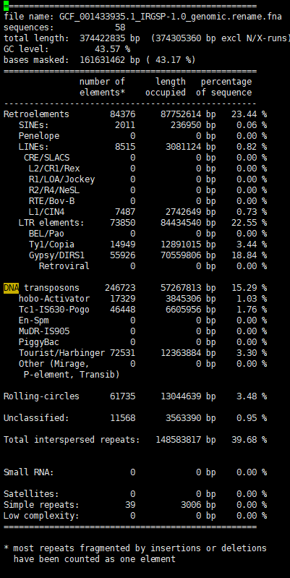 perfect 1:1 match: 251 perfect.families number of good families: 115 good.families total present families: 805 present.all.families | perfect 1:1 match: 367 perfect.families number of good families: 191 good.families total present families: 1339 present.all.families | perfect 1:1 match: 289 perfect.families number of good families: 287 good.families total present families: 1345 present.all.families | perfect 1:1 match: 296 perfect.families number of good families: 332 good.families total present families: 1381 present.all.families | perfect 1:1 match: 234 perfect.families number of good families: 359 good.families total present families: 1418 present.all.families | perfect 1:1 match: 331 perfect.families number of good families: 424 good.families total present families: 1425 present.all.families | perfect 1:1 match: 326 perfect.families number of good families: 414 good.families total present families: 1409 present.all.families | perfect 1:1 match: 347 perfect.families number of good families: 423 good.families total present families: 1415 present.all.families | perfect 1:1 match: 326 perfect.families number of good families: 414 good.families total present families: 1409 present.all.families | perfect 1:1 match: 755 perfect.families number of good families: 467 good.families total present families: 1766 present.all.families | perfect 1:1 match: 621 perfect.families number of good families: 383 good.families total present families: 1544 present.all.families Runtime: 0.210278 hours (757s) | perfect 1:1 match: 648 perfect.families number of good families: 471 good.families total present families: 1647 present.all.families | perfect 1:1 match: 648 perfect.families number of good families: 471 good.families total present families: 1647 present.all.families | perfect 1:1 match: 648 perfect.families number of good families: 471 good.families total present families: 1646 present.all.families | perfect 1:1 match: 539 perfect.families number of good families: 277 good.families total present families: 1256 present.all.families | perfect 1:1 match: 492 perfect.families number of good families: 403 good.families total present families: 1371 present.all.families Runtime: 0.143056 hours (515s)
 | Sensitivity: 0.866819952345762 Specificity: 0.975133821833883 Accuracy: 0.921228662841983 Precision: 0.971860134874436 FDR: 0.0281398651255641 F1 measure: 0.916339673936672

 | 加上known-TE，参数0.95，加上剩余序列；cd-hit:0.95; get_longest_repeats中的全长参数0.95 |  | 加上known-TE，参数0.95，加上剩余序列；cd-hit:0.95; get_longest_repeats中修改拷贝认定： ①如果起止位置靠近，算拷贝数加1；②不管起止位置，只要overlap超过95%，认定为拷贝数加1.；③取拷贝数>=2 | 加known-TE，加上剩余序列；cd-hit:0.95; get_longest_repeats中修改拷贝认定： ①如果起止位置靠近，算拷贝数加1；②不管起止位置，只要overlap超过95%，认定为拷贝数加1.；③取拷贝数>=5 | 加known-TE，参数0.95，加上剩余序列；cd-hit:0.95; get_longest_repeats中修改拷贝认定： ①overlap超过90%，认定为拷贝数加1.；②取拷贝数>=2； | 加known-TE，参数0.8，不加剩余序列；cd-hit:0.95; get_longest_repeats中修改拷贝认定： ①overlap超过90%，认定为拷贝数加1.；②取拷贝数>=2； | 加known-TE，参数0.8，加剩余序列；cd-hit:0.95; get_longest_repeats中修改拷贝认定： ①overlap超过90%，认定为拷贝数加1.；②取拷贝数>=2；
 | perfect 1:1 match: 334 perfect.families number of good families: 40 good.families total present families: 792 present.all.families |  | perfect 1:1 match: 418 perfect.families number of good families: 152 good.families total present families: 1290 present.all.families | perfect 1:1 match: 141 perfect.families number of good families: 63 good.families total present families: 651 present.all.families | perfect 1:1 match: 442 perfect.families number of good families: 182 good.families total present families: 1329 present.all.families | perfect 1:1 match: 315 perfect.families number of good families: 64 good.families total present families: 1006 present.all.families | perfect 1:1 match: 319 perfect.families number of good families: 229 good.families total present families: 1355 present.all.families
 |  |  |  |  | Sensitivity: 0.933667106586341 Specificity: 0.928038666215057 Accuracy: 0.930808178559208 Precision: 0.926301377197348 FDR: 0.0736986228026519 F1 measure: 0.929969657244335 |  | Sensitivity: 0.934806804014182 Specificity: 0.926914915445224 Accuracy: 0.930797445229722 Precision: 0.925295388389108 FDR: 0.074704611610892 F1 measure: 0.930026778444384

Caenorhabditis briggsae
 | perfect 1:1 match: 67 perfect.families number of good families: 20 good.families total present families: 139 present.all.families
 | Sensitivity: 0.846357017629695 Specificity: 0.936249198611382 Accuracy: 0.91883120084685 Precision: 0.761375075654508 FDR: 0.238624924345492 F1 measure: 0.801620047295556

